Revenue Growth
Mohawk: Net Sales (left) and LAT (right) vs Time
 | Net sales | LAT
2011 | 5,642,258 | 1.48
2012 | 5,787,980 | 1.54
2013 | 7,348,754 | 1.36
2014 | 7,803,446 | 1.51
2015 | 8,071,563 | 1.21
2016 | 8,440,472
2017 | 8,826,241
2018 | 9,229,642
2019 | 9,651,480
2020 | 10,092,598
2021 | 10,553,878
2022 | 11,036,240
2023 | 11,540,648
2024 | 12,068,110
2025 | 12,619,680
Mohawk Industries, Inc. |  |  |  | *Q2 2015: segments were realigned to focus on geography rather than product type
NYSE: MHK |  |  |  | Mohawk provided realigned segment sales for 2014
Revenue Growth
(Dollars in thousands)

 | 2011 | 2012 | 2013 | 2014 | 2015 | Average | Assumed
Net sales | 5,642,258 | 5,787,980 | 7,348,754 | 7,803,446 | 8,071,563
% growth | 6.08% | 2.58% | 26.97% | 6.19% | 3.44% | 9.05% | 4.57%
LAT | 1.48 | 1.54 | 1.36 | 1.51 | 1.21 | 1.42

 | 2015 | 2016 | 2017 | 2018 | 2019 | 2020 | 2021 | 2022 | 2023 | 2024 | 2025 | CAGR | Assumed
Net sales | 8,071,563 | 8,440,472 | 8,826,241 | 9,229,642 | 9,651,480 | 10,092,598 | 10,553,878 | 11,036,240 | 11,540,648 | 12,068,110 | 12,619,680
% growth | 3.44% | 4.57% | 4.57% | 4.57% | 4.57% | 4.57% | 4.57% | 4.57% | 4.57% | 4.57% | 4.57% | 4.57% | 4.57%

Segment | 2013 | 2014 | 2015 | Assumed
Flooring North America | 3,423,093 | 3,441,018 | 3,602,112
% growth |  | 0.52% | 4.68% | 4.68%
Global Ceramic | 2,677,058 | 3,015,279 | 3,012,859
% growth |  | 12.63% | (0.08%) | (0.08%)
Flooring Rest of World | 1,249,279 | 1,354,018 | 1,456,898
% growth |  | 8.38% | 7.60% | 7.60%
Intersegment sales | (676) | (6,869) | (306)
% growth |  | 916.12% | (95.55%) | (95.55%)
Total | 7,348,754 | 7,803,446 | 8,071,563
% growth | 0.00% | 6.19% | 3.44% | 4.81%

Segment | 2015 | 2016 | 2017 | 2018 | 2019 | 2020 | 2021 | 2022 | 2023 | 2024 | 2025 | CAGR | Assumed
Flooring NA | 3,441,018 | 3,602,112 | 3,770,748 | 3,947,278 | 4,132,073 | 4,325,520 | 4,528,022 | 4,740,005 | 4,961,912 | 5,194,208 | 5,437,379
% growth | 0.52% | 4.68% | 4.68% | 4.68% | 4.68% | 4.68% | 4.68% | 4.68% | 4.68% | 4.68% | 4.68% | 4.68% | 4.68%
Global Ceramic | 3,015,279 | 3,012,859 | 3,010,441 | 3,008,025 | 3,005,611 | 3,003,198 | 3,000,788 | 2,998,380 | 2,995,973 | 2,993,569 | 2,991,166
% growth | 12.63% | (0.08%) | (0.08%) | (0.08%) | (0.08%) | (0.08%) | (0.08%) | (0.08%) | (0.08%) | (0.08%) | (0.08%) | (0.08%) | (0.08%)
Flooring ROW | 1,354,018 | 1,456,898 | 1,567,595 | 1,686,703 | 1,814,861 | 1,952,756 | 2,101,129 | 2,260,775 | 2,432,552 | 2,617,380 | 2,816,252
% growth | 8.38% | 7.60% | 7.60% | 7.60% | 7.60% | 7.60% | 7.60% | 7.60% | 7.60% | 7.60% | 7.60% | 7.60% | 7.60%
Intersegment sales | (6,869) | (306) | (14) | (1) | (0) | (0) | (0) | (0) | (0) | (0) | (0)
% growth | 916.12% | (95.55%) | (95.55%) | (95.55%) | (95.55%) | (95.55%) | (95.55%) | (95.55%) | (95.55%) | (95.55%) | (95.55%) | (95.55%) | (95.55%)
Total | 7,803,446 | 8,071,563 | 8,348,770 | 8,642,005 | 8,952,545 | 9,281,474 | 9,629,939 | 9,999,160 | 10,390,438 | 10,805,157 | 11,244,798
% growth | 6.19% | 3.44% | 3.43% | 3.51% | 3.59% | 3.67% | 3.75% | 3.83% | 3.91% | 3.99% | 4.07% | 3.72% | 3.72%
Mohawk's Efficiency: Long-Term Asset Turns (LAT) and Useful Life

 | 2005 | 2006 | 2007 | 2008 | 2009 | 2010 | 2011 | 2012 | 2013 | 2014 | 2015 | Averages | CAGR
Net sales | 6620099 | 7905842 | 7586018 | 6826348 | 5344024 | 5319072 | 5,642,258 | 5,787,980 | 7,348,754 | 7,803,446 | 8,071,563
% growth |  | 0.19421809251 | -0.040454135056 | -0.10014081169 | -0.21714744106 | -0.0046691407075 | 0.06075984683 | 0.025826894126 | 0.26965780808 | 0.061873346148 | 0.03435879482 | 0.0284283254 | 0.020021475953
Non-current assets | 5651036 | 5799483 | 6230330 | 4199926 | 4032446 | 3850313 | 3808064 | 3753638 | 5408459 | 5153274 | 6692392
% growth |  | 0.026268988554 | 0.074290587627 | -0.3258902819 | -0.039876893069 | -0.045166878862 | -0.010972874153 | -0.01429230181 | 0.44085790905 | -0.047182570858 | 0.29866799243 | 0.035670367701
LAT | 1.1714841314 | 1.3631977195 | 1.2175948947 | 1.6253495895 | 1.3252561845 | 1.3814648316 | 1.4816604973 | 1.5419654213 | 1.3587519107 | 1.5142695692 | 1.2060804268 | 1.3806431979
LAT AVG | 1.3806431979 | 1.3806431979 | 1.3806431979 | 1.3806431979 | 1.3806431979 | 1.3806431979 | 1.3806431979 | 1.3806431979 | 1.3806431979 | 1.3806431979 | 1.3806431979
D&A | 150657 | 274952 | 306437 | 295054 | 303004 | 296773 | 297734 | 280293 | 308871 | 345570 | 362647
% of sales |  | 0.034778332276 | 0.040394974017 | 0.043222818409 | 0.05669959566 | 0.055794131006 | 0.052768590164 | 0.048426739553 | 0.042030390458 | 0.044284281585 | 0.044928968528 | 0.046332882166
Useful Life | 37.509282675 | 21.092710728 | 20.331520019 | 14.234431663 | 13.308226954 | 12.973932939 | 12.790154971 | 13.3918364 | 17.510413733 | 14.912388228 | 18.454287503 | 17.864471437
Useful Life AVG | 17.864471437 | 17.864471437 | 17.864471437 | 17.864471437 | 17.864471437 | 17.864471437 | 17.864471437 | 17.864471437 | 17.864471437 | 17.864471437 | 17.864471437
CAP-EX |  | 423399 | 737284 | -1735350 | 135524 | 114640 | 255485 | 225867 | 1963692 | 90385 | 1901765
% of sales |  | 0.05355520639 | 0.097189856391 | -0.25421352676 | 0.025359916048 | 0.021552631737 | 0.045280630556 | 0.039023458962 | 0.26721427877 | 0.011582703334 | 0.23561297855 | 0.054215813398

Category | 2011 | 2012 | 2013 | 2014 | 2015 | Average | Assumed
Soft Surface | 2722113 | 2696462 | 2756627 | 2764370 | 3056945
% growth |  | (0.94%) | 2.23% | 0.28% | 10.58% | 3.04% | 3.04%
Tile | 1513210 | 1676971 | 2744289 | 3087895 | 3094389
% growth |  | 10.82% | 63.65% | 12.52% | 0.21% | 21.80% | 7.85%
Wood & Laminate | 1406935 | 1414547 | 1847838 | 1951181 | 1920228
% growth |  | 0.54% | 30.63% | 5.59% | (1.59%) | 8.79% | 1.52%
Total | 5642258 | 5787980 | 7348754 | 7803446 | 8071562
% growth |  | 2.58% | 26.97% | 6.19% | 3.44% | 9.79% | 4.07%

Category | 2015 | 2016 | 2017 | 2018 | 2019 | 2020 | 2021 | 2022 | 2023 | 2024 | 2025 | CAGR | Assumed
Soft Surface | 3056945 | 3149827.2951 | 3245531.7282 | 3344144.0473 | 3445752.6056 | 3550448.4409 | 3658325.3571 | 3769480.0084 | 3884011.9854 | 4002023.9049 | 4123621.5016
% growth | 10.58% | 3.04% | 3.04% | 3.04% | 3.04% | 3.04% | 3.04% | 3.04% | 3.04% | 3.04% | 3.04% | 0.030384025584 | 0.030384025584
Tile | 3094389 | 3337331.1757 | 3599346.8747 | 3881933.5699 | 4186706.3012 | 4515406.9067 | 4869913.9768 | 5252253.5912 | 5664610.8982 | 6109342.6033 | 6588990.4382
% growth | 0.21% | 7.85% | 7.85% | 7.85% | 7.85% | 7.85% | 7.85% | 7.85% | 7.85% | 7.85% | 7.85% | 0.078510547871 | 0.078510547871
Wood & Laminate | 1920228 | 1949334.2119 | 1978881.6066 | 2008876.8714 | 2039326.795 | 2070238.269 | 2101618.2894 | 2133473.9582 | 2165812.4852 | 2198641.1895 | 2231967.5009
% growth | (1.59%) | 1.52% | 1.52% | 1.52% | 1.52% | 1.52% | 1.52% | 1.52% | 1.52% | 1.52% | 1.52% | 0.01515768539 | 0.01515768539
Total | 8071562 | 8436492.6827 | 8823760.2096 | 9234954.4885 | 9671785.7018 | 10136093.617 | 10629857.623 | 11155207.558 | 11714435.369 | 12310007.698 | 12944579.441
% growth | 3.44% | 0.045211903558 | 0.045903853819 | 0.046600799345 | 0.047301934601 | 0.048006431189 | 0.048713441825 | 0.049422104519 | 0.050131546918 | 0.050840890759 | 0.051549256397 | 0.048366260925 | 0.048366260925

DCF-REV
Mohawk Industries, Inc.
NYSE: MHK |  |  |  |  | Current price | 188.5 |  | *REV STDEV is Percent and only projections are MC
Hanke-Guttridge Cash Flow |  |  |  |  | Est. price | 224.86
(Dollars in thousands) |  |  |  |  | % gain/loss | 19.29%

Cost structure components (as % of net sales) | Average | Assumed | Std. Dev. |  | Terminal Rates
Cost of sales, net D&A | 68.46% | 64.00% | 1.72% |  | Discount Rate | 10.00%
SG&A | 18.92% | 18.50% | 0.76% |  | Terminal Growth Rate | 1.50%

Interest, other and tax provisions | Average | Assumed | Std. Dev. |  | Revenue growth rates | Average | Assumed | CAGR | Std. Dev.
Interest expense (as % of net sales) | 1.30% | 1.07% | 0.33% |  | Last 5 years | 9.05% | 9.00% | 4.57% | 1140605
Other expense (as % of net sales) | 0.15% | 0.18% | 0.10% |  | Geography/Segment | 3.44% | 3.72% | 3.72% | -
Income tax (as % of EBITDA) | 8.71% | 11.38% | 3.24%

Value Drivers (as % of net sales) | Average | Assumed | Std. Dev. |  | LAT | Min | Max | Average
Change in Working Cap | (2.94%) | (2.94%) | 10.02% |  | DCF | 1.21 | 1.82 | 1.51
Capital Expenditures | 13.84% | 7.50% | 13.17% |  | Historic | 1.21 | 1.63 | 1.38
D&A | 4.65% | 4.65% | 0.42%

Period | 0 | 1 | 2 | 3 | 4 | 5 | 6 | 7 | 8 | 9 | 10
Year | 2015 | 2016 | 2017 | 2018 | 2019 | 2020 | 2021 | 2022 | 2023 | 2024 | 2025 | Std Dev.
Net sales | 8,071,563 | 8,798,004 | 9,589,824 | 10,452,908 | 11,393,670 | 12,419,100 | 13,536,819 | 14,755,133 | 16,083,095 | 17,530,573 | 19,108,325
% growth | 3.44% | 9.00% | 9.00% | 9.00% | 9.00% | 9.00% | 9.00% | 9.00% | 9.00% | 9.00% | 9.00% | 10.14%

Cost of sales, net D&A | 5,298,230 | 5,630,722 | 6,137,487 | 6,689,861 | 7,291,949 | 7,948,224 | 8,663,564 | 9,443,285 | 10,293,181 | 11,219,567 | 12,229,328
% of net sales | 65.64% | 64.00% | 64.00% | 64.00% | 64.00% | 64.00% | 64.00% | 64.00% | 64.00% | 64.00% | 64.00% | 1.72%
SG&A | 1,573,120 | 1,627,631 | 1,774,117 | 1,933,788 | 2,107,829 | 2,297,534 | 2,504,312 | 2,729,700 | 2,975,373 | 3,243,156 | 3,535,040
% of net sales | 19.49% | 18.50% | 18.50% | 18.50% | 18.50% | 18.50% | 18.50% | 18.50% | 18.50% | 18.50% | 18.50% | 0.76%

EBITDA | 1,200,213 | 1,539,651 | 1,678,219 | 1,829,259 | 1,993,892 | 2,173,343 | 2,368,943 | 2,582,148 | 2,814,542 | 3,067,850 | 3,343,957
% of net sales | 14.87% | 17.50% | 17.50% | 17.50% | 17.50% | 17.50% | 17.50% | 17.50% | 17.50% | 17.50% | 17.50%

Interest expense | 71,086 | 94,104 | 102,573 | 111,805 | 121,867 | 132,835 | 144,790 | 157,821 | 172,025 | 187,507 | 0
% of net sales | 0.88% | 1.07% | 1.07% | 1.07% | 1.07% | 1.07% | 1.07% | 1.07% | 1.07% | 1.07% | 0.00% | 0.33%
Other expense | 17,619 | 15,633 | 17,040 | 18,574 | 20,245 | 22,067 | 24,053 | 26,218 | 28,578 | 31,150 | 33,953
% of net sales | 0.22% | 0.18% | 0.18% | 0.18% | 0.18% | 0.18% | 0.18% | 0.18% | 0.18% | 0.18% | 0.18% | 0.10%

Income tax provision | 131,875 | 175,198 | 190,965 | 208,152 | 226,886 | 247,306 | 269,563 | 293,824 | 320,268 | 349,092 | 380,511
% of EBITDA | 10.99% | 11.38% | 11.38% | 11.38% | 11.38% | 11.38% | 11.38% | 11.38% | 11.38% | 11.38% | 11.38% | 3.24%

NOPAIT | 979,633 | 1,254,716 | 1,367,641 | 1,490,728 | 1,624,894 | 1,771,134 | 1,930,536 | 2,104,285 | 2,293,670 | 2,500,101 | 2,929,493

Change in Working Capital | (1,169,327) | (258,661) | (281,941) | (307,315) | (334,974) | (365,122) | (397,982) | (433,801) | (472,843) | (515,399) | (561,785)
% of net sales | (14.49%) | (2.94%) | (2.94%) | (2.94%) | (2.94%) | (2.94%) | (2.94%) | (2.94%) | (2.94%) | (2.94%) | (2.94%) | 10.02%
Capital expenditures | 1,901,765 | 659,850 | 719,237 | 783,968 | 854,525 | 931,433 | 1,015,261 | 1,106,635 | 1,206,232 | 1,314,793 | 1,433,124
% of net sales | 23.56% | 7.50% | 7.50% | 7.50% | 7.50% | 7.50% | 7.50% | 7.50% | 7.50% | 7.50% | 7.50% | 13.17%

D&A | 362,647 | 409,000 | 445,810 | 485,933 | 529,667 | 577,337 | 629,297 | 685,934 | 747,668 | 814,958 | 888,304
% of net sales | 4.49% | 4.65% | 4.65% | 4.65% | 4.65% | 4.65% | 4.65% | 4.65% | 4.65% | 4.65% | 4.65%

Free cash flow | 247,195 | 853,527 | 930,345 | 1,014,076 | 1,105,343 | 1,204,823 | 1,313,257 | 1,431,451 | 1,560,281 | 1,700,706 | 2,058,153

Discounted free cash flow |  | 775,934 | 768,880 | 761,890 | 754,964 | 748,101 | 741,300 | 734,561 | 727,883 | 721,266 | 9,807,448
Net long-term assets | 6,692,392 | 6,943,242 | 7,216,670 | 7,514,705 | 7,839,564 | 8,193,660 | 8,579,624 | 9,000,326 | 9,458,890 | 9,958,725 | 10,503,546
LAT | 1.21 | 1.27 | 1.33 | 1.39 | 1.45 | 1.52 | 1.58 | 1.64 | 1.70 | 1.76 | 1.82
Useful life | 18.45 | 16.98 | 16.19 | 15.46 | 14.80 | 14.19 | 13.63 | 13.12 | 12.65 | 12.22 | 11.82
Sum of discounted free cash flow | 16,542,225
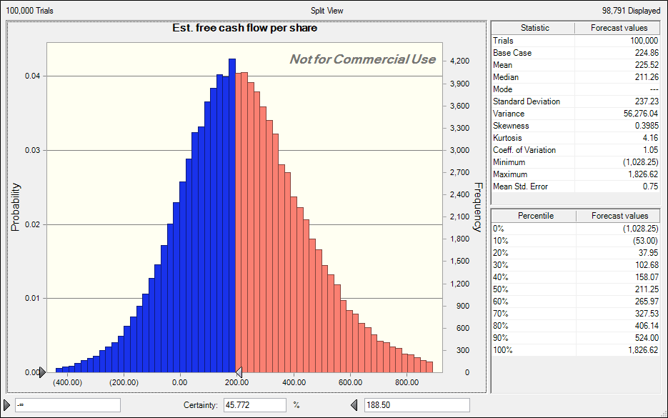
Long-term debt | 1,196,928
Cash and equivalents | 81,692
Total equity value | 16,623,917
Diluted shares outstanding | 73,930

Est. free cash flow per share | 224.86

DCF-BULL
Mohawk Industries, Inc.
NYSE: MHK |  |  |  |  | Current price | 188.5
Hanke-Guttridge Cash Flow |  |  |  |  | Est. price | 269.39
(Dollars in thousands) |  |  |  |  | % gain/loss | 42.91%

Cost structure components (as % of net sales) | Average | Assumed | Std. Dev. |  | Terminal Rates
Cost of sales, net D&A | 68.46% | 64.00% | 1.72% |  | Discount Rate | 10.00%
SG&A | 18.92% | 18.50% | 0.76% |  | Terminal Growth Rate | 1.50%

Interest, other and tax provisions | Average | Assumed | Std. Dev. |  | Revenue growth rates | Average | Assumed | CAGR | Std. Dev.
Interest expense (as % of net sales) | 1.30% | 1.07% | 0.33% |  | Last 5 years | 9.05% | 9.00% | 4.57% | 1140605
Other expense (as % of net sales) | 0.15% | 0.18% | 0.10% |  | Geography/Segment | 3.44% | 3.72% | 3.72% | -
Income tax (as % of EBITDA) | 8.71% | 11.38% | 3.24%

Value Drivers (as % of net sales) | Average | Assumed | Std. Dev. |  | LAT | Min | Max | Average
Change in Working Cap | (2.94%) | (2.94%) | 10.02% |  | DCF | 1.21 | 2.42 | 1.75
Capital Expenditures | 13.84% | 7.50% | 13.17% |  | Historic | 1.21 | 1.63 | 1.38
D&A | 4.65% | 4.65% | 0.42%

Period | 0 | 1 | 2 | 3 | 4 | 5 | 6 | 7 | 8 | 9 | 10
Year | 2015 | 2016 | 2017 | 2018 | 2019 | 2020 | 2021 | 2022 | 2023 | 2024 | 2025 | Std Dev.
Net sales | 8,071,563 | 8,798,004 | 9,589,824 | 10,452,908 | 11,393,670 | 12,419,100 | 13,536,819 | 14,755,133 | 16,083,095 | 17,530,573 | 19,108,325 | 1140605
% growth | 3.44% | 9.00% | 9.00% | 9.00% | 9.00% | 9.00% | 9.00% | 9.00% | 9.00% | 9.00% | 9.00%

Cost of sales, net D&A | 5,298,230 | 5,630,722 | 6,137,487 | 6,689,861 | 7,291,949 | 7,948,224 | 8,663,564 | 9,443,285 | 10,293,181 | 11,219,567 | 12,229,328
% of net sales | 65.64% | 64.00% | 64.00% | 64.00% | 64.00% | 64.00% | 64.00% | 64.00% | 64.00% | 64.00% | 64.00% | 1.72%
SG&A | 1,573,120 | 1,627,631 | 1,774,117 | 1,933,788 | 2,107,829 | 2,297,534 | 2,504,312 | 2,729,700 | 2,975,373 | 3,243,156 | 3,535,040
% of net sales | 19.49% | 18.50% | 18.50% | 18.50% | 18.50% | 18.50% | 18.50% | 18.50% | 18.50% | 18.50% | 18.50% | 0.76%

EBITDA | 1,200,213 | 1,539,651 | 1,678,219 | 1,829,259 | 1,993,892 | 2,173,343 | 2,368,943 | 2,582,148 | 2,814,542 | 3,067,850 | 3,343,957
% of net sales | 14.87% | 17.50% | 17.50% | 17.50% | 17.50% | 17.50% | 17.50% | 17.50% | 17.50% | 17.50% | 17.50%

Interest expense | 71,086 | 94,104 | 102,573 | 111,805 | 121,867 | 132,835 | 144,790 | 157,821 | 172,025 | 187,507 | 0
% of net sales | 0.88% | 1.07% | 1.07% | 1.07% | 1.07% | 1.07% | 1.07% | 1.07% | 1.07% | 1.07% | 0.00% | 0.33%
Other expense | 17,619 | 15,633 | 17,040 | 18,574 | 20,245 | 22,067 | 24,053 | 26,218 | 28,578 | 31,150 | 33,953
% of net sales | 0.22% | 0.18% | 0.18% | 0.18% | 0.18% | 0.18% | 0.18% | 0.18% | 0.18% | 0.18% | 0.18% | 0.10%

Income tax provision | 131,875 | 175,198 | 190,965 | 208,152 | 226,886 | 247,306 | 269,563 | 293,824 | 320,268 | 349,092 | 380,511
% of EBITDA | 10.99% | 11.38% | 11.38% | 11.38% | 11.38% | 11.38% | 11.38% | 11.38% | 11.38% | 11.38% | 11.38% | 3.24%

NOPAIT | 979,633 | 1,254,716 | 1,367,641 | 1,490,728 | 1,624,894 | 1,771,134 | 1,930,536 | 2,104,285 | 2,293,670 | 2,500,101 | 2,929,493

Change in Working Capital | (1,169,327) | (258,661) | (281,941) | (307,315) | (334,974) | (365,122) | (397,982) | (433,801) | (472,843) | (515,399) | (561,785)
% of net sales | (14.49%) | (2.94%) | (2.94%) | (2.94%) | (2.94%) | (2.94%) | (2.94%) | (2.94%) | (2.94%) | (2.94%) | (2.94%) | 10.02%
Capital expenditures | 1,901,765 | 659,850 | 517,850 | 564,457 | 615,258 | 670,631 | 730,988 | 796,777 | 868,487 | 946,651 | 1,031,850
% of net sales | 23.56% | 7.50% | 5.40% | 5.40% | 5.40% | 5.40% | 5.40% | 5.40% | 5.40% | 5.40% | 5.40% | 13.17%

D&A | 362,647 | 409,000 | 445,810 | 485,933 | 529,667 | 577,337 | 629,297 | 685,934 | 747,668 | 814,958 | 888,304
% of net sales | 4.49% | 4.65% | 4.65% | 4.65% | 4.65% | 4.65% | 4.65% | 4.65% | 4.65% | 4.65% | 4.65%

Free cash flow | 247,195 | 853,527 | 1,131,731 | 1,233,587 | 1,344,610 | 1,465,624 | 1,597,531 | 1,741,308 | 1,898,026 | 2,068,849 | 2,459,428

Discounted free cash flow |  | 775,934 | 935,315 | 926,812 | 918,386 | 910,037 | 901,764 | 893,567 | 885,443 | 877,394 | 11,809,563
Net long-term assets | 6,692,392 | 6,943,242 | 7,015,283 | 7,093,808 | 7,179,399 | 7,272,694 | 7,374,385 | 7,485,229 | 7,606,049 | 7,737,742 | 7,881,287
LAT | 1.21 | 1.27 | 1.37 | 1.47 | 1.59 | 1.71 | 1.84 | 1.97 | 2.11 | 2.27 | 2.42
Useful life | 18.45 | 16.98 | 15.74 | 14.60 | 13.55 | 12.60 | 11.72 | 10.91 | 10.17 | 9.49 | 8.87
Sum of discounted free cash flow | 19,834,215
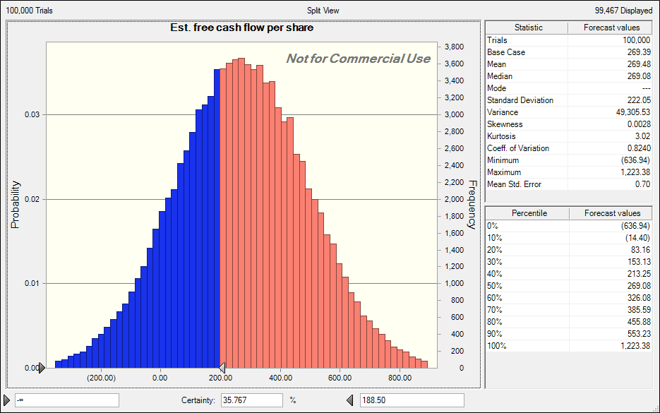
Long-term debt | 1,196,928
Cash and equivalents | 81,692
Total equity value | 19,915,907
Diluted shares outstanding | 73,930

Est. free cash flow per share | 269.39

