Cover
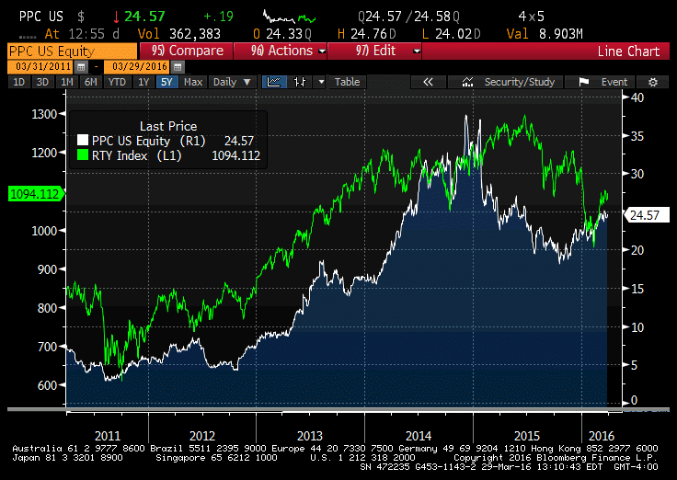
Pilgrim's Pride Corp.
NASDAQ: PPC
Cover Page
By Charles Bushnell


Company Name | Pilgrim's Pride Corp.
Date | March 29,2016
Fiscal year ends | Dec. 25, 2016
Current Price | $24.43
52 week high (date) | 27.35 (05/26/15)
52 week low (date) | 17.39 (10/29/15)
Market Cap | 6.253 B
Enterprise Value | 6.830 B
Total Debt | 1.014 B
Cash | 439.6 M
Net Debt/Enterprise Value | 0.1622
Dividend | $0.00
Diluted Shares Outstanding | 255.47 M
Current P/E | 9.78
2017 P/E (EPS) | 12.45 (1.97)
2016 P/E (EPS) | 12.11 (2.03)
2015 EPS | 2.6
2014 EPS | 2.86

Outcome Conservative
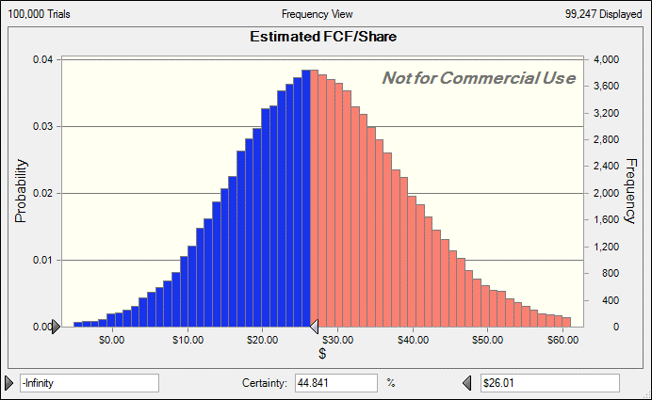
Forecast: Estimated FCF/Share
Statistic | Forecast values
Trials | 100,000
Base Case | $27.93
Mean | $27.93
Median | $27.47
Standard Deviation | $11.82
Variance | $139.66
Skewness | 0.2249
Kurtosis | 3.33
Coeff. of Variation | 0.4231
Minimum | -$29.63
Maximum | $94.09
Mean Std. Error | $0.04

Forecast: Estimated FCF/Share
Percentile | Forecast values

0.1 | $13.3
0.2 | $18.1
0.3 | $21.6
0.4 | $24.6
0.5 | $27.5
0.6 | $30.4
0.7 | $33.6
0.8 | $37.5
0.9 | $43.1
1 | $94.1

Figure 6: Monte Carlo Simulation Results from Pilgrim's Pride Hanke-Guttridge Discounted Cash Flow model.
These are the results from 100,000 Monte-Carlo trials of PPC's HG-DCF model. Probability is on the veridical axis and estimated share price is on the horizontal axis. The blue portion indicates the probability that the long term fundamental value of PPC's stock is below $26. The results suggest more upside than downside. 40 percent of the outcomes resulted in share prices above $30.40 and 40 percent resulted in share prices below $24.6.

Outcome Segmented
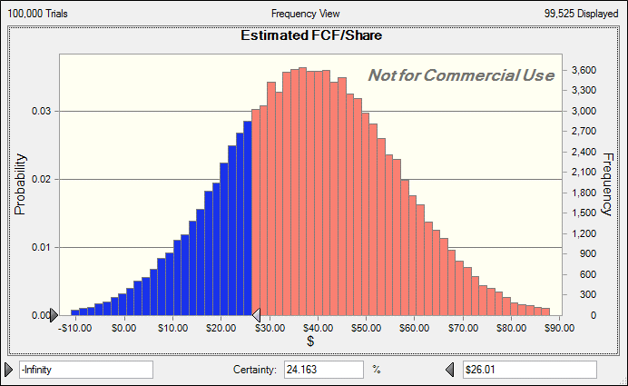
 | Forecast: Estimated FCF/Share
 | Statistic | Forecast values
 | Trials | 100,000
 | Base Case | $38.42
 | Mean | $38.43
 | Median | $38.36
 | Mode | '---
 | Standard Deviation | $17.64
 | Variance | 311.25
 | Skewness | 0.0048
 | Kurtosis | 2.98
 | Coeff. of Variation | $0.46
 | Minimum | '-$36.57
 | Maximum | $112.55

 | Forecast: Estimated FCF/Share
 | Percentile | Forecast values
 | 0.1 | $15.9
 | 0.2 | $23.6
 | 0.3 | $29.1
 | 0.4 | $33.9
 | 0.5 | $38.4
Figure 18: Monte Carlo Simulation Results from Pilgrim's Pride Hanke-Guttridge Discounted Cash Flow model with segmented revenue.
These are the results from 100,000 Monte-Carlo trials of PPC's HG-DCF model. Probability is on the veridical axis and estimated share price is on the horizontal axis. The blue portion indicates the probability that the long term fundamental value of PPC's stock is below $26. This MC distribution shows that under the "bull" scenario 75% of outcomes were above $26. This suggests a large margin of safety.
 | 0.6 | $42.9
 | 0.7 | $47.7
 | 0.8 | $53.3
 | 0.9 | $61.1
 | 1 | $112.55

25.35

Historicals
Pilgrim's Pride Corp (PPC US) - Historical Calcs
 |  |  |  |  |  |  |  |  |  |  |  |  |  |  |  |  | Year | LTAT | UL
In Millions of USD except Per Share |  | FY 2004 | FY 2005 | FY 2006 | FY 2007 | FY 2008 | FY 2009 | FY 2010 | FY 2011 | FY 2012 | FY 2013 | FY 2014 | FY 2015 | Average | STDEV | CAGR | 2005 | 4.1340825877 | 11.208264234
12 Months Ending |  | 10/02/2004 | 10/01/2005 | 09/30/2006 | 09/29/2007 | 09/27/2008 | 09/26/2009 | 12/26/2010 | 12/25/2011 | 12/30/2012 | 12/29/2013 | 12/28/2014 | 12/27/2015 | (2010-Present) |  |  | 2006 | 3.6952381963 | 9.7769900867
Revenue | SALES_REV_TURN | 5,363.7 | 5,666.3 | 5,235.6 | 7,498.6 | 8,518.8 | 7,088.1 | 6,881.6 | 7,535.7 | 8,121.4 | 8,411.1 | 8,583.4 | 8,180.1 | 2.55% | 15.38% | 3.91% | 2007 | 3.9351472773 | 12.151613136
Growth |  |  | 5.64% | -7.60% | 43.22% | 13.60% | -16.79% | -2.91% | 9.50% | 7.77% | 3.57% | 2.05% | -4.70% |  |  |  | 2008 | 3.9276030799 | 7.6901812295
Depreciation & Amortization | CF_DEPR_AMORT | 113.8 | 134.9 | 135.1 | 204.9 | 240.3 | 236.0 | 231.0 | 209.1 | 147.4 | 150.5 | 155.8 | 159.0 |  |  |  | 2009 | 4.0019518271 | 7.1791276069
Total Assets | BS_TOT_ASSET | 2,246.0 | 2,511.9 | 2,426.9 | 3,774.2 | 3,298.7 | 3,060.5 | 3,218.9 | 2,879.5 | 2,913.9 | 3,172.4 | 3,091.7 | 3,318.4 |  |  |  | 2010 | 4.2973344947 | 6.5287411359
Current Assets | BS_CUR_ASSET_REPORT | 1,017.2 | 999.4 | 1,105.7 | 1,284.3 | 1,450.7 | 1,366.2 | 1,710.5 | 1,464.2 | 1,542.7 | 1,929.0 | 1,857.7 | 1,746.2 |  |  |  | 2011 | 5.1547552301 | 6.7700431946
Long Term Assets as % Total Assets | LT_ASSETS_%_TOTAL_ASSETS | 54.71 | 60.21 | 54.44 | 65.97 | 56.02 | 55.36 | 46.86 | 49.15 | 47.06 | 39.19 | 39.91 | 47.38 |  |  |  | 2012 | 5.8291063582 | 9.3012942381
Dividends per Share | EQY_DPS | 0.06 | 0.06 | 1.05 | 0.09 | 0.09 | 0.00 | 0.00 | 0.00 | 0.00 | 0.00 | 0.00 | 0.00 |  |  |  | 2013 | 6.4340805147 | 8.2606645733
Dividend Yield | DIVIDEND_YIELD | 0.22 | 0.16 | 3.99 | 0.26 | 2.54 | 0.00 | 0.00 | 0.00 | 0.00 | 0.00 | 0.00 | 0.00 |  |  |  | 2014 | 6.9293219814 | 7.9190881205
Current Shares Outstanding | EQY_SH_OUT | 68.77 | 68.77 | 68.77 | 68.77 | 76.52 | 76.52 | 221.42 | 221.62 | 259.00 | 259.03 | 259.03 | 255.15 |  |  |  | 2015 | 5.8300159026 | 9.8897247544
Pilgrim's Pride has Improved Efficiency over the Past Decade
Price Earnings Ratio (P/E) | PE_RATIO | 10.91 | 9.53 | — | 33.72 | — | — | 12.04 | — | 9.82 | 7.69 | 11.92 | 8.93
Basic EPS | IS_EPS | 1.98 | 3.85 | -0.49 | 0.69 | -13.94 | -1.98 | 0.40 | -2.14 | 0.70 | 2.12 | 2.75 | 2.50

 | CAPEX Calculation |  |  |  |  |  |  |  |  |  |  |  |  | Average | STDEV
 | LONG TERM ASSETS | 1,228,761 | 1,512,488 | 1,321,194 | 2,489,902 | 1,847,989 | 1,694,310 | 1,508,433 | 1,415,352 | 1,371,141 | 1,243,420 | 1,233,984 | 1,572,219
 | D&A | 113,788.0 | 134,944.0 | 135,133.0 | 204,903.0 | 240,305.0 | 236,005.0 | 231,045.0 | 209,061.0 | 147,414.0 | 150,523.0 | 155,824.0 | 158,975.0
 | CAPEX |  | 418,670.96 | -56,161.01 | 1,373,610.99 | -401,607.99 | 82,326.01 | 45,167.98 | 115,980.00 | 103,202.99 | 22,802.02 | 146,387.97 | 497,210.01 | 213,417.27 | 450,289.51
 | % Revenue |  | 7.39% | -1.07% | 18.32% | -4.71% | 1.16% | 0.66% | 1.54% | 1.27% | 0.27% | 1.71% | 6.08% | 0.03 | 0.06

 | LTAT |  | 4.13 | 3.70 | 3.94 | 3.93 | 4.00 | 4.30 | 5.15 | 5.83 | 6.43 | 6.93 | 5.83 | 4.92 | 1.16

 | UL |  | 11.21 | 9.78 | 12.15 | 7.69 | 7.18 | 6.53 | 6.77 | 9.30 | 8.26 | 7.92 | 9.89 | 8.79 | 1.83

 |  |  |  |  |  |  |  |  |  |  |  |  | 41.02%
 |  |  |  |  |  |  |  |  |  |  |  |  | #DIV/0!
 |  |  |  |  |  |  |  |  |  |  |  |  | #DIV/0!
 |  |  |  |  |  |  |  |  |  |  |  |  | -11.76%

Analysts
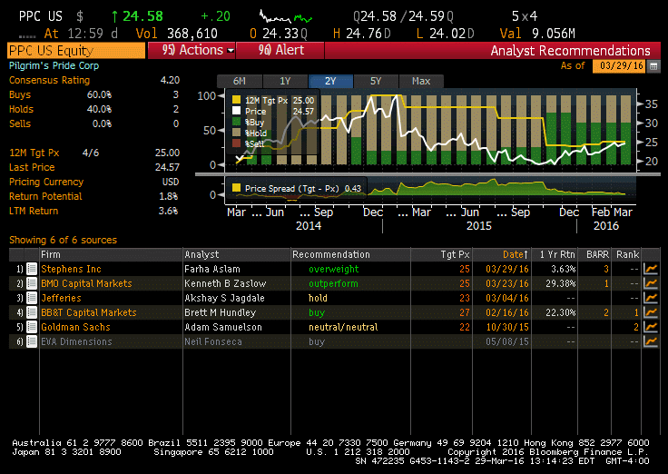

Commodity Prices
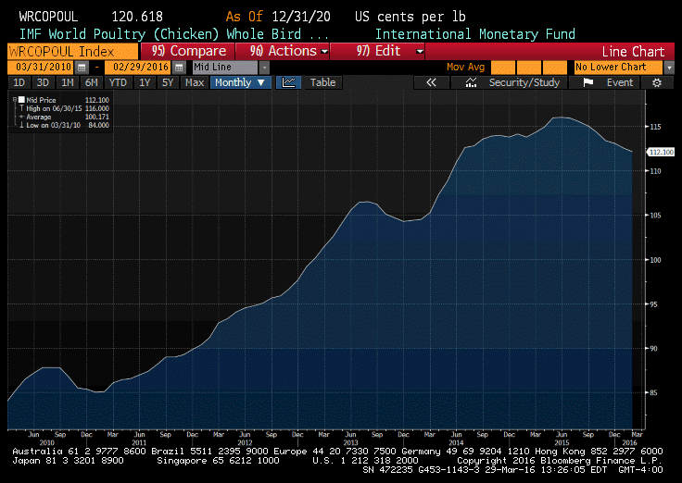
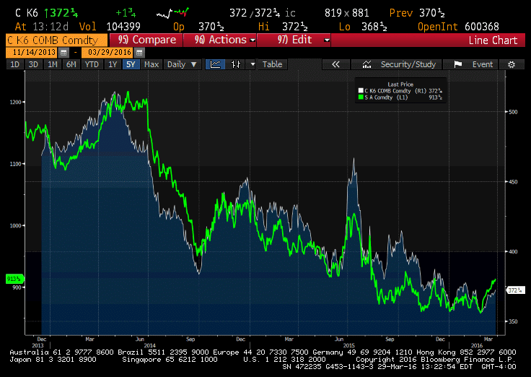

Possible over supply of some crops may keep input prices low: http://www.bloomberg.com/news/articles/2016-01-10/unwanted-piles-of-corn-soy-spur-most-bearish-crop-outlook-ever

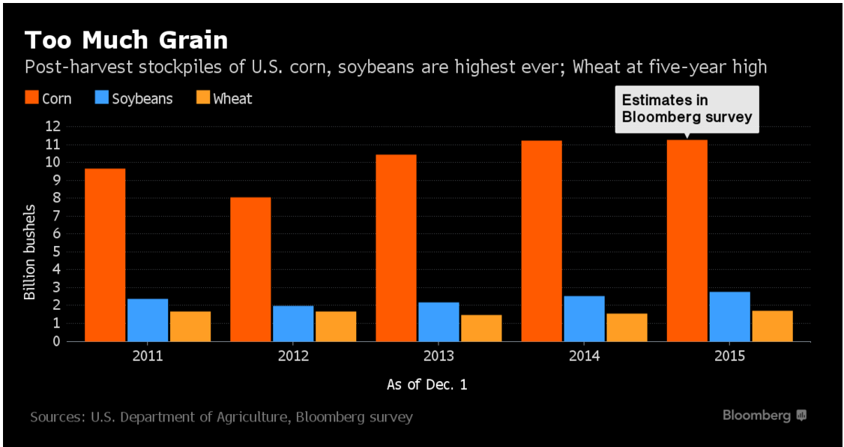

“We need a market-clearing event, whether that’s a demand shock from somewhere or whether that’s a supply shock as a result of weather,” said Gillian Rutherford, who helps oversee about $13 billion as a commodities portfolio manager at Pacific Investment Management Co. in Newport Beach, California. “In the absence of that, we have such a material buffer that it’s difficult to envision a sustained price rally.”

