Cover Sheet
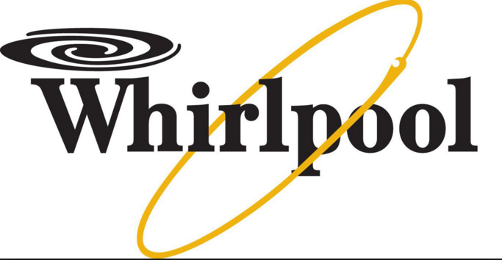
Whirlpool Corporation
NYSE: WHR
Revenue Growth
($ in Millions unless otherwise specified)

Company Name: | Whirlpool Coproration
Date: | 2016-02-29
Current Price: | 155.32
Diluted Shares Outstanding: | 77.23M
Market Cap: | 12 B
Dividend Yield: | 3.6(2.37%)
Beta: | 1.73091
52-week range: | 123.6-217.0
P/E ratio: | 15.8
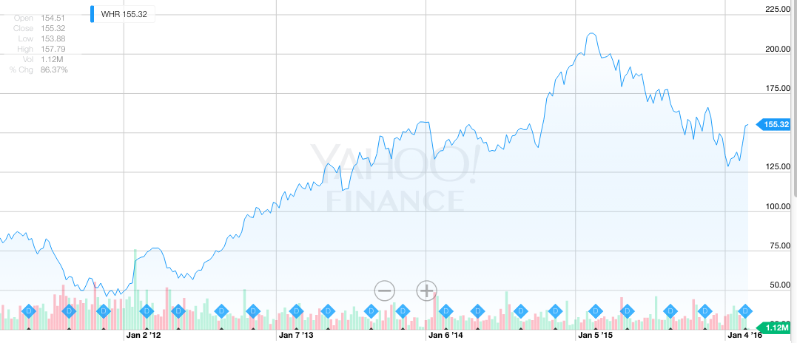
P/S ratio: | 0.57
Price-to-book ratio: | 2.52

