CP
Costco Wholesale Corporation
NASDAQ: COST |  |  | Historical Trailing Total Return
Cover Page |  | Security | 1 Year | 3 Years | 5 Years
By: Arshad Amin Ajani |  | COST US Equity | 11.36% | 43.59% | 99.32%
 |  | S&P 500 | 22.39% | 46.22% | 95.34%
 |  | S&P 500 Consumer Staples Sector | 7.55% | 33.98% | 72.62%

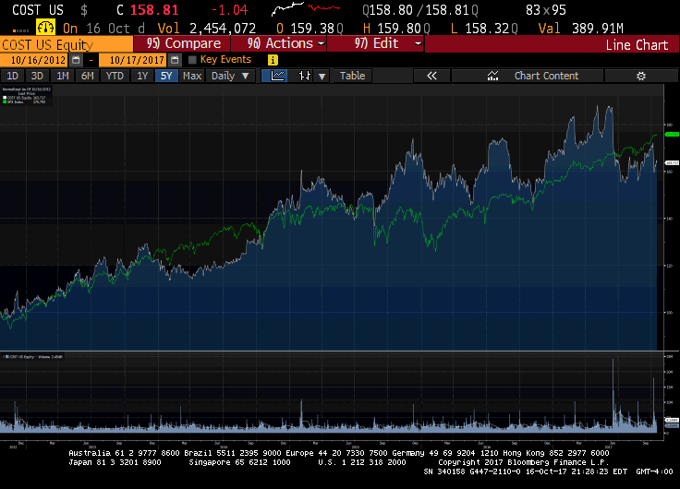

Company Name | Costco Wholesale Corporation
Date | 2017-10-16
Fiscal year ends (current period) | 08/2017 (08/2017 Q4)
Current Price | $157.49
52 week high (date) | $182.72 (06/06/17)
52 week low (date) | $136.59 (11/04/16)
Market Cap | $69,432.4M
Enterprise Value | $70,613.4M
Total Debt | $6,659.0M
Cash | $5,779.0M
Net Debt/Enterprise Value | 1.25%
Dividend | 1.26%
Shares Outstanding/Float | 437.2M/429.7M
Current P/E | 27.27
2019 P/E (EPS) | 22.66x ($7.01)*
2018 P/E (EPS) | 24.68x ($6.44)*
2017 P/E (EPS) | 27.28x ($5.82)*
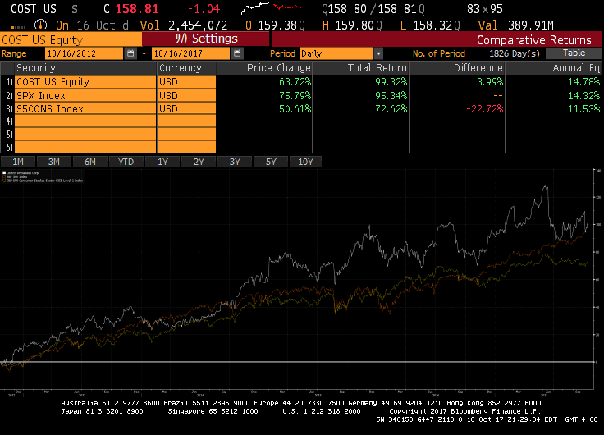
2016 EPS | $5.33**
2015 EPS | $5.24**
2014 EPS | $4.65**
*Consensus Estimates as of 10/16/2016
**Comparable Actual from Bloomberg

MC
Costco Wholesale Corporation
NASDAQ: COST
Monte-Carlo
$ in Millions
By: Arshad Amin Ajani |  |  |  |  |  | Model Discounting Parameters
 |  |  |  |  |  | Discount Rate |  | 10.00%
Model Input Parameters |  |  |  |  |  | WACC (Bloomberg) |  | 8.80%
Assumption Name | Assumed | Average | Std. Dev. | Trend |  | Long-Term Growth |  | 1.50%
United States Operations | 8.44% | 5.63% | 1.98%
Canadian Operations | 6.00% | 2.39% | 4.13%
Other International Operations | 8.00% | 7.09% | 6.33% |  |  | Model Tuning Parameters
Operating Costs |  |  |  |  |  |  | Model |  |  |  | Historical
Merchandise costs, Net D&A | 85.00% | 86.06% | 0.44% |  |  |  | Min | Avg | Max | Trend | Min | Avg | Max | Trend
Selling, general and administrative | 9.00% | 9.87% | 0.25% |  |  | FROIC | 13.39% | 14.38% | 15.13% |  | 10.23% | 10.98% | 12.44%
Preopening expenses | 0.06% | 0.06% | 0.01% |  |  | PFCFY | 2.29% | 2.30% | 2.31% |  | 1.83% | 1.95% | 2.05%
Non-Operating Costs |  |  |  |  |  | LTAT | 20.01% | 20.12% | 20.25% |  | 19.99% | 20.63% | 22.04%
Interest expense as % of Total Debt | 2.16% | 2.16% | 0.27% |  |  | LTA/IC | 118.56% | 125.85% | 132.23% |  | 110.87% | 116.03% | 123.88%
Interest income and other, net as % of Rev | -0.08% | -0.08% | 0.01% |  |  | % DCF in TV | 55.11%
Depreciation & Amortization as % of Rev | 0.98% | 0.98% | 0.07%
Provision for income taxes (as % of EBT) | 33.49% | 33.49% | 1.04%
Net income attributable to noncontrolling interests as % of Rev | 0.02% | 0.02% | 0.00% |  |  |  |  |  |  |  |  |  |  | Model Valuation Output
Cash Flow Drivers |  |  |  |  |  |  |  |  |  |  |  |  |  | Estimated FCF/Share | 131.05
Change in Working Capital | -0.49% | -0.49% | 1.21% |  |  |  |  |  |  |  |  |  |  | Current Price | 157.49
Capital Expenditures (CAPEX) | 2.46% | 2.46% | 0.68% |  |  |  |  |  |  |  |  |  |  | % Gain/Loss | -16.79%
Degree of Operating Leverage (DOL) | Assumed | Min | Avg | Max
DOL | 1.00 | 87.84% | 210.86% | 373.92%

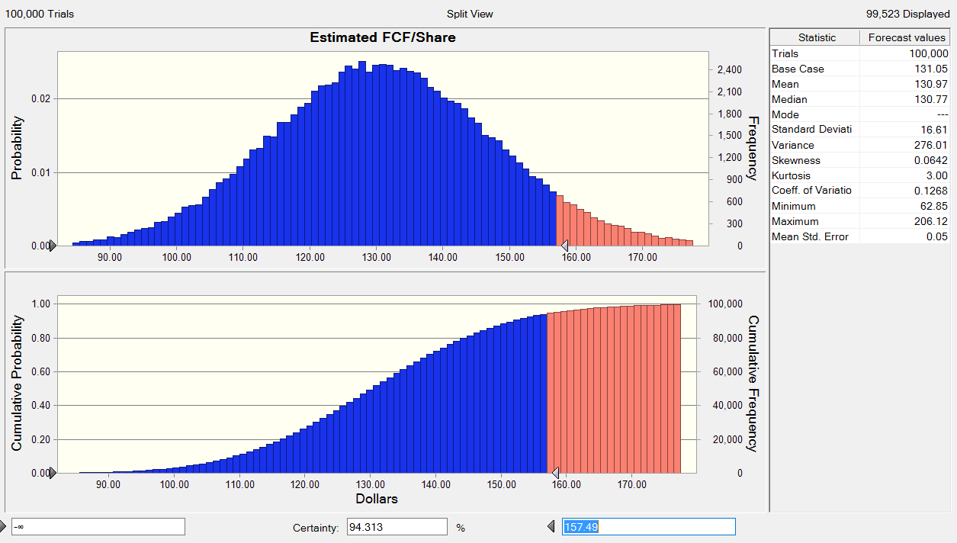

Probabilistitc Discounted Cash Flow Model
Period |  | 1 | 2 | 3 | 4 | 5 | 6 | 7 | 8 | 9 | 10
Year | 2017 | 2018E | 2019E | 2020E | 2021E | 2022E | 2023E | 2024E | 2025E | 2026E | 2027E
 |  |  |  |  |  |  |  |  |  |  |  | Std. Dev
Total Revenue | 129025 | 139384.61 | 150585.33 | 162696.03 | 175791.27 | 189951.77 | 205264.87 | 221825.15 | 239734.98 | 259105.21 | 280055.82
% growth (yoy) |  | 8.03% | 8.04% | 8.04% | 8.05% | 8.06% | 8.06% | 8.07% | 8.07% | 8.08% | 8.09% | 2.62%

Revenue Segments
United States Operations | 93889 | 101813.23 | 110406.27 | 119724.56 | 129829.31 | 140786.90 | 152669.32 | 165554.61 | 179527.42 | 194679.53 | 211110.48
% growth (yoy) |  | 8.44% | 8.44% | 8.44% | 8.44% | 8.44% | 8.44% | 8.44% | 8.44% | 8.44% | 8.44% | 1.98%
% margin on Total Revenue |  | 73.04% | 73.32% | 73.59% | 73.85% | 74.12% | 74.38% | 74.63% | 74.89% | 75.14% | 75.38%

Canadian Operations | 18775 | 19901.50 | 21095.59 | 22361.33 | 23703.00 | 25125.19 | 26632.70 | 28230.66 | 29924.50 | 31719.97 | 33623.17
% growth (yoy) |  | 6.00% | 6.00% | 6.00% | 6.00% | 6.00% | 6.00% | 6.00% | 6.00% | 6.00% | 6.00% | 4.13%
% margin on Total Revenue |  | 14.28% | 14.01% | 13.74% | 13.48% | 13.23% | 12.97% | 12.73% | 12.48% | 12.24% | 12.01%

Other International Operations | 16361 | 17669.88 | 19083.47 | 20610.15 | 22258.96 | 24039.68 | 25962.85 | 28039.88 | 30283.07 | 32705.71 | 35322.17
% growth (yoy) |  | 8.00% | 8.00% | 8.00% | 8.00% | 8.00% | 8.00% | 8.00% | 8.00% | 8.00% | 8.00% | 6.33%
% margin on Total Revenue |  | 12.68% | 12.67% | 12.67% | 12.66% | 12.66% | 12.65% | 12.64% | 12.63% | 12.62% | 12.61%

Operating Costs
Merchandise costs, Net D&A |  | 118476.92 | 127997.53 | 138291.63 | 149422.58 | 161459.00 | 174475.14 | 188551.37 | 203774.74 | 220239.43 | 238047.45
% margin on Total Revenue |  | 85.00% | 85.00% | 85.00% | 85.00% | 85.00% | 85.00% | 85.00% | 85.00% | 85.00% | 85.00% | 0.44%
Selling, general and administrative |  | 12544.62 | 13552.68 | 14642.64 | 15821.21 | 17095.66 | 18473.84 | 19964.26 | 21576.15 | 23319.47 | 25205.02
% margin on Total Revenue |  | 9.00% | 9.00% | 9.00% | 9.00% | 9.00% | 9.00% | 9.00% | 9.00% | 9.00% | 9.00% | 0.25%
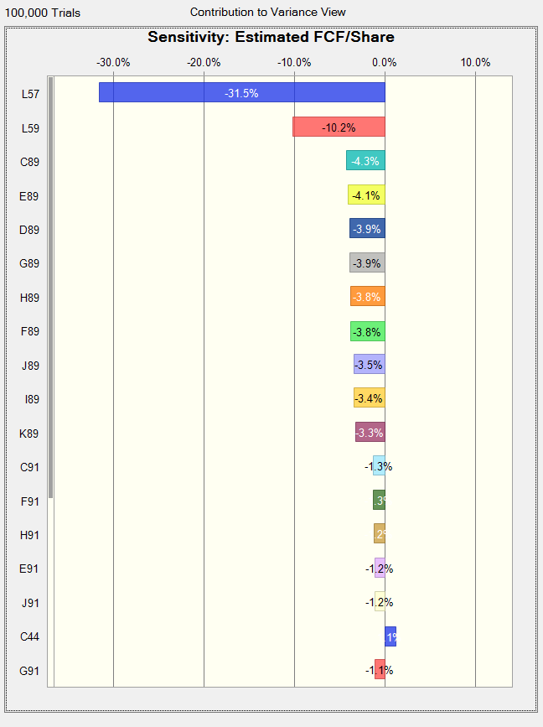
Preopening expenses |  | 80.74 | 87.23 | 94.24 | 101.83 | 110.03 | 118.90 | 128.49 | 138.87 | 150.09 | 162.22
% margin on Total Revenue |  | 0.06% | 0.06% | 0.06% | 0.06% | 0.06% | 0.06% | 0.06% | 0.06% | 0.06% | 0.06% | 0.01%

DOL |  | 1.00 | 1.00 | 1.00 | 1.00 | 1.00 | 1.00 | 1.00 | 1.00 | 1.00 | 1.00
Operating Leverage Growth |  | 0 | 0 | 0 | 0 | 0 | 0 | 0 | 0 | 0 | 0

EBITDA |  | 8282.34 | 8947.89 | 9667.52 | 10445.65 | 11287.08 | 12196.99 | 13181.02 | 14245.23 | 15396.23 | 16641.13
% margin on Total Revenue |  | 5.94% | 5.94% | 5.94% | 5.94% | 5.94% | 5.94% | 5.94% | 5.94% | 5.94% | 5.94%

Non-Operating Costs
Interest expense as % of Total Debt |  | 111.58 | 111.58 | 111.58 | 111.58 | 111.58 | 111.58 | 111.58 | 111.58 | 111.58 | 0.00
% margin on Total Debt | 2.16% | 2.16% | 2.16% | 2.16% | 2.16% | 2.16% | 2.16% | 2.16% | 2.16% | 2.16% | 0.00% | 0.27%
Total Debt | 5,161 | 5161 | 5161 | 5161 | 5161 | 5161 | 5161 | 5161 | 5161 | 5161 | 0
Interest income and other, net as % of Rev |  | -105.12 | -113.57 | -122.70 | -132.58 | -143.26 | -154.80 | -167.29 | -180.80 | -195.41 | 0.00
% margin on total revenue |  | -0.08% | -0.08% | -0.08% | -0.08% | -0.08% | -0.08% | -0.08% | -0.08% | -0.08% | 0.00% | 0.01%
Depreciation & Amortization as % of Rev |  | 1366.52 | 1476.33 | 1595.06 | 1723.44 | 1862.27 | 2012.40 | 2174.76 | 2350.34 | 2540.25 | 2745.65
% margin on Total Revenue |  | 0.98% | 0.98% | 0.98% | 0.98% | 0.98% | 0.98% | 0.98% | 0.98% | 0.98% | 0.98% | 0.07%
Earnings Before Taxes (EBT) |  | 6909.36 | 7473.55 | 8083.58 | 8743.20 | 9456.48 | 10227.82 | 11061.97 | 11964.11 | 12939.81 | 13895.48
% margin on Total Revenue |  | 4.96% | 4.96% | 4.97% | 4.97% | 4.98% | 4.98% | 4.99% | 4.99% | 4.99% | 4.96%
Provision for income taxes (as % of EBT) |  | 2313.90 | 2502.84 | 2707.13 | 2928.04 | 3166.91 | 3425.22 | 3704.58 | 4006.69 | 4333.45 | 4653.50
% margin on EBT |  | 33.49% | 33.49% | 33.49% | 33.49% | 33.49% | 33.49% | 33.49% | 33.49% | 33.49% | 33.49% | 1.04%
Net income attributable to noncontrolling interests as % of Rev |  | 34.60 | 37.38 | 40.39 | 43.64 | 47.15 | 50.96 | 55.07 | 59.51 | 64.32 | 69.52
% margin on Total Revenue |  | 0.02% | 0.02% | 0.02% | 0.02% | 0.02% | 0.02% | 0.02% | 0.02% | 0.02% | 0.02% | 0.00%

NOPAIT |  | 5927.38 | 6409.66 | 6931.12 | 7494.97 | 8104.69 | 8764.04 | 9477.09 | 10248.25 | 11082.29 | 11918.11
% margin on Total Revenue |  | 4% | 4% | 4% | 4% | 4% | 4% | 4% | 4% | 4% | 4%

Cash Flow Drivers
Change in Working Capital |  | -683.07 | -737.96 | -797.31 | -861.49 | -930.88 | -1005.93 | -1087.08 | -1174.85 | -1269.78 | -1372.45
% margin on Total Revenue |  | -0.49% | -0.49% | -0.49% | -0.49% | -0.49% | -0.49% | -0.49% | -0.49% | -0.49% | -0.49% | 1.21%
Capital Expenditures (CAPEX) |  | 3423.06 | 3698.13 | 3995.55 | 4317.15 | 4664.90 | 5040.97 | 5447.66 | 5887.50 | 6363.20 | 6877.71
% margin on Total Revenue |  | 2.46% | 2.46% | 2.46% | 2.46% | 2.46% | 2.46% | 2.46% | 2.46% | 2.46% | 2.46% | 0.68%

Free Cash Flow |  | 3187.39 | 3449.49 | 3732.88 | 4039.31 | 4370.67 | 4729.00 | 5116.51 | 5535.60 | 5988.86 | 6412.84
Discounted Cash Flow |  | 2897.63 | 2850.82 | 2804.57 | 2758.90 | 2713.84 | 2669.39 | 2625.58 | 2582.40 | 2539.86 | 30006.35

Model Valuation of Company
Sum of DCF |  | 54449.347901
+ Cash and Cash Equivalents |  | 3379
= Equity Value |  | 57828.347901
/ Diluted Shares Outstanding (DSO) |  | 441
Estimated FCF/share |  | 131.05188493

Model Tuning Parameter Output
Long-Term Assets | 26,167 | 28224 | 30445 | 32846 | 35440 | 38242 | 41271 | 44544 | 48081 | 51904 | 56036
Working Capital | ($3,736) | ($4,419.07) | ($5,157.03) | ($5,954.34) | ($6,815.83) | ($7,746.71) | ($8,752.64) | ($9,839.72) | ($11,014.57) | ($12,284.34) | ($13,656.79)
Invested Capital | 22,431 | 23,804 | 25,288 | 26,891 | 28,624 | 30,495 | 32,518 | 34,704 | 37,066 | 39,619 | 42,379
FROIC |  | 13.39% | 13.64% | 13.88% | 14.11% | 14.33% | 14.54% | 14.74% | 14.93% | 15.12% | 15.13%
PFCFY |  | 2.29% | 2.29% | 2.29% | 2.30% | 2.30% | 2.30% | 2.31% | 2.31% | 2.31% | 2.29%
LTAT |  | 0.202 | 0.202 | 0.202 | 0.202 | 0.201 | 0.201 | 0.201 | 0.201 | 0.200 | 0.200
LTA/IC |  | 118.56% | 120.39% | 122.14% | 123.81% | 125.40% | 126.92% | 128.35% | 129.72% | 131.01% | 132.23%

Graphs for Paper
Business Segment Revenue
Fiscal Year | 2013 | 2014 | 2015 | 2016 | 2017
United States Operations | 75493 | 80477 | 84351 | 86579 | 93889
Canadian Operations | 17179 | 17943 | 17341 | 17028 | 18775
Other International Operations | 12484 | 14220 | 14507 | 15112 | 16361
Total net sales | 105156 | 112640 | 116199 | 118719 | 129025

Yearly Gross Margin Percentage

Gross Margin

2013 | 10.62%
2014 | 10.66%
2015 | 11.09%
2016 | 11.35%
2017 | 11.33%

 | Merchandise Costs | Selling, General, Administrative
2013 | 87% | 10%
2014 | 86% | 10%
2015 | 86% | 10%
2016 | 86% | 10%
2017 | 86% | 10%
Stability in Major Operating Costs

Quarterly Dividend by Fiscal Year

Dividends per quarter

 | 2013 | $0.31
 | 2014 | $0.36
 | 2015 | $0.40
 | 2016 | $0.45
 | 2017 | $0.50

Yearly Share Repurchases

Share repurchases
 | 2013 | 34
 | 2014 | 334
 | 2015 | 494
 | 2016 | 477
 | 2017 | 473

