Cover Page


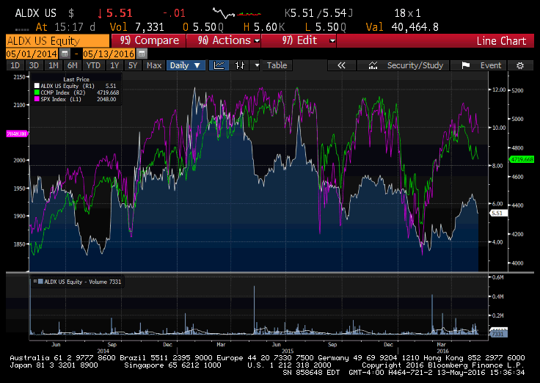

Company Name | Aldeyra Therapeutics
Date | 2016-05-15
Fiscal year ends (current period) | 2015-12-31
Current price | $5.53
52 week high | $10.63
52 week low | $3.52
Market Cap | 53.7M
Enterprise Value | 27.4M
Total Debt | 1.3M
Cash | 27.6M
Net Debt/Enterprise Value | 0.05
Diluted Shares Outstanding | 9.7M
Current EPS | -1.58
2017 EPS | -2.17
2016 EPS | -1.77
2015 EPS | -1.4
2014 EPS | -2.51

MC Simulation
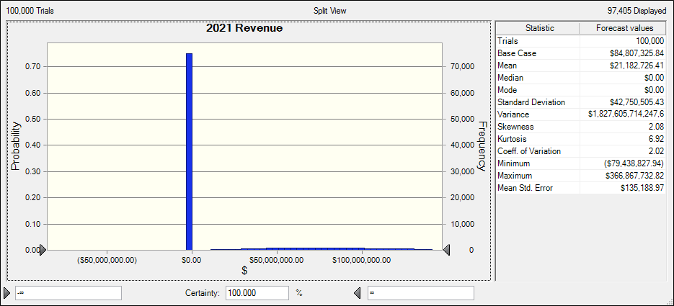
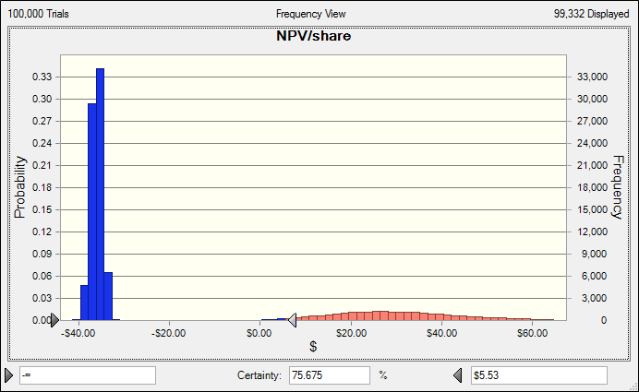
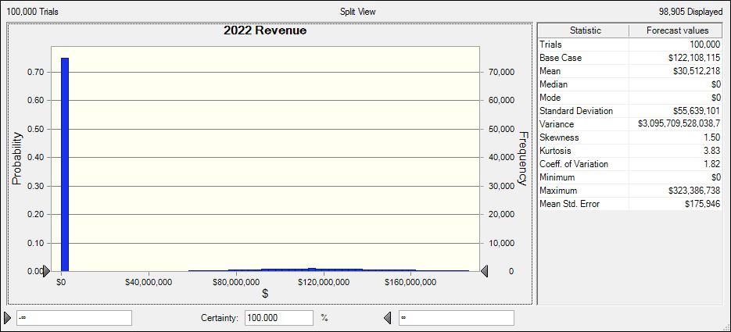
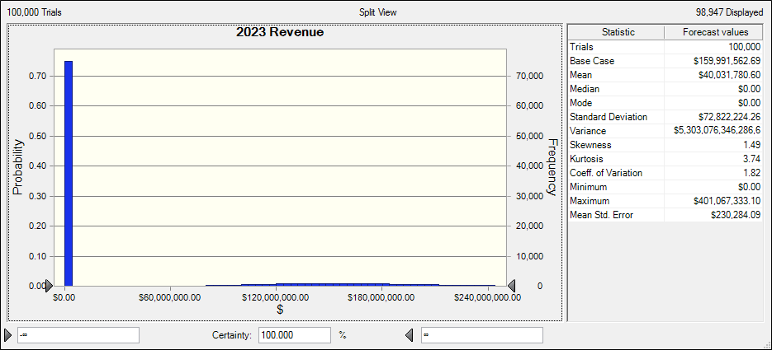
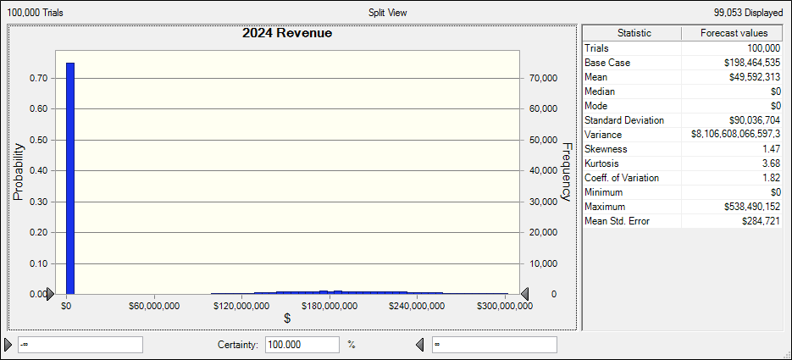
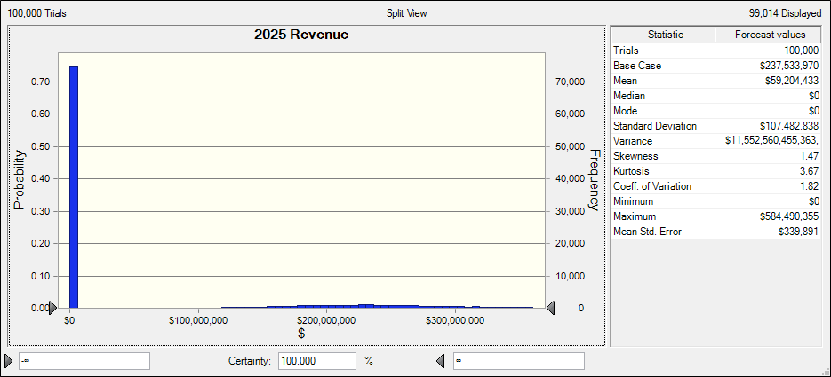
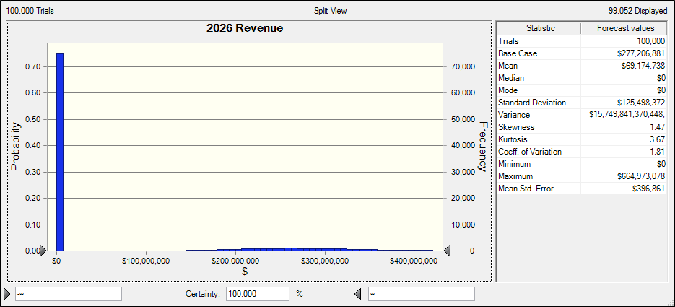
Aldeyra Therapeutics Inc
NYSE: ALDX
 |  |  |  |  |  | Data not available
Adjustable Parameters | Assumed | Average | Std. Dev. |  |  | Standard Deviation Assumption (not based on data)
U.S. Population Growth | 0.79% | 0.79% | 0.15%
% of U.S. Population with Allergic Conjunctivitis | 30% |  | 3%
% of Allergic conjunctivitis cases where help is sought | 10% |  | 2%
Average cost of 5ml eye drop bottle | $300 | $300 (Alcaftadine and Pataday) | $15
Average # eye drop bottles per person | 4 |  | 0.5
%NS 2 Ocular penetration for ALDX on first year | 0.70% |  | 0.30% |  |  | Discount Factor |  | 10%
Yearly Growth in %NS 2 Ocular penetration for ALDX | 0.30% |  | 0.10% |  |  | Residual Growth |  | 1.50%
Probability of drug success (hit the market) | 25% |  | 10%

U.S. population |  | Phase 2 | Phase 2 results | Initiate Phase 3 | Phase 3 results | NDA | Launch |  |  |  |  |  | Notes
 | 2015 | 2016 | 2017 | 2018 | 2019 | 2020 | 2021 | 2022 | 2023 | 2024 | 2025 | 2026
US Pop. |  | 323,583,845 | 326,133,965 | 328,704,182 | 331,294,655 | 333,905,543 | 336,537,007 | 339,189,210 | 341,862,313 | 344,556,484 | 347,271,886 | 350,008,689
Growth Rate |  |  | 0.79% | 0.79% | 0.79% | 0.79% | 0.79% | 0.79% | 0.79% | 0.79% | 0.79% | 0.79%

Total Allergic Conjunctivitis cases |  | 97,075,154 | 97,840,190 | 98,611,255 | 99,388,397 | 100,171,663 | 100,961,102 | 101,756,763 | 102,558,694 | 103,366,945 | 104,181,566 | 105,002,607
% of U.S. Population |  | 30.00% | 30.00% | 30.00% | 30.00% | 30.00% | 30.00% | 30.00% | 30.00% | 30.00% | 30.00% | 30.00%

Total allergic conjunctivitis cases where help is sought |  | 9,707,515 | 9,784,019 | 9,861,125 | 9,938,840 | 10,017,166 | 10,096,110 | 10,175,676 | 10,255,869 | 10,336,695 | 10,418,157 | 10,500,261
% of Allergic conjunctivitis cases where help is sought |  | 10% | 10% | 10% | 10% | 10% | 10% | 10% | 10% | 10% | 10% | 10%

Average cost of 5ml eye drop bottle |  |  |  |  |  |  | $300 | $300 | $300 | $300 | $300 | $300
Average # eye drop bottles per person |  |  |  |  |  |  | 4 | 4 | 4 | 4 | 4 | 4
Annual cost per person for NS 2 treatment |  |  |  |  |  |  | $1,200 | $1,200 | $1,200 | $1,200 | $1,200 | $1,200
Annual cost of treatment (total) |  |  |  |  |  |  | $84,807,326 | $122,108,115 | $159,991,563 | $198,464,535 | $237,533,970 | $277,206,881
%NS 2 Ocular penetration for ALDX |  |  |  |  |  |  | 0.70% | 1.00% | 1.30% | 1.60% | 1.90% | 2.20%
 |  |  | alpha | beta
Probability of drug success (hit the market) |  | 25% | 4.4375 | 13.3125
Uniform (0,1) R.V. generation: |  | 0
Is Uniform R.V. generated greater than probability of success? (1=Yes, 0=No). Multiply this by profits |  | 1

Profits*Drug Success (Revenue) | 0 | 0 | 0 | 0 | 0 | 0 | $84,807,325.84 | $122,108,115 | $159,991,562.69 | $198,464,535 | $237,533,970 | $277,206,881
R and D Expenses | $7,574,398 | $10,604,157 | $13,785,404 | $16,542,485 | $18,196,734 | $20,016,407 | $21,017,227 | $22,068,089 | $23,171,493 | $24,330,068 | $25,546,571 | $26,823,900
R and D Expense growth rate |  | 40.00% | 30.00% | 20.00% | 10.00% | 10.00% | 5.00% | 5.00% | 5.00% | 5.00% | 5.00% | 5.00% | STD=Assumed/10
% Revenue |  |  |  |  |  |  | 24.78% | 18.07% | 14.48% | 12.26% | 10.75% | 9.68%
General and Administrative Costs | 4,414,709 | $5,297,651 | $6,092,298 | $6,701,528 | $7,371,681 | $8,108,849 | $8,919,734 | $9,811,708 | $10,792,878 | $11,872,166 | $13,059,383 | $14,365,321
Growth in General and Administrative costs (No Selling costs) |  | 20.00% | 15.00% | 10.00% | 10.00% | 10.00% | 10.00% | 10.00% | 10.00% | 10.00% | 10.00% | 10.00% | STD=Assumed/10
% Revenue |  |  |  |  |  |  | 10.52% | 8.04% | 6.75% | 5.98% | 5.50% | 5.18%
Selling Costs (Starting from 2021 multiply by cell C35) |  |  |  |  |  |  | $21,201,831 | $30,527,029 | $39,997,891 | $49,616,134 | $59,383,493 | $69,301,720
Selling Costs (% Revenue) |  |  |  |  |  |  | 25.00% | 25.00% | 25.00% | 25.00% | 25.00% | 25.00% | STD=2.5%
Total SG&A |  | $5,297,651 | $6,092,298 | $6,701,528 | $7,371,681 | $8,108,849 | $30,121,566 | $40,338,736 | $50,790,769 | $61,488,300 | $72,442,875 | $83,667,041
% Revenue |  |  |  |  |  |  | 35.52% | 33.04% | 31.75% | 30.98% | 30.50% | 30.18%
Cost of Goods sold (Starting from 2021 multiply by cell C35) |  |  |  |  |  |  | $21,201,831 | $30,527,029 | $39,997,891 | $49,616,134 | $59,383,493 | $69,301,720
Cost of Goods sold (Margin on revenue) |  |  |  |  |  |  | 25.00% | 25.00% | 25.00% | 25.00% | 25.00% | 25.00% | STD=2.5%
Operating Income | -$11,989,107 | -$15,901,808 | -$19,877,703 | -$23,244,013 | -$25,568,415 | -$28,125,256 | $12,466,701 | $29,174,261 | $46,031,410 | $63,030,033 | $80,161,031 | $97,414,220
% Revenue |  |  |  |  |  |  | 14.70% | 23.89% | 28.77% | 31.76% | 33.75% | 35.14%
Tax Rate |  | 0.00% | 0.00% | 0.00% | 0.00% | 0.00% | 25.00% | 25.00% | 25.00% | 25.00% | 25.00% | 25.00% | STD=2.5%
Royalties |  | 0.00% | 0.00% | 0.00% | 0.00% | 0.00% | 5.00% | 5.00% | 5.00% | 5.00% | 5.00% | 5.00% | STD=2%
Net income |  | ($15,901,808.00) | ($19,877,702.78) | ($23,244,013.49) | ($25,568,414.84) | ($28,125,256.33) | $5,109,659.69 | $15,775,290.22 | $26,523,979.19 | $37,349,298.19 | $48,244,074.77 | $59,200,320.78 | % in TV
NPV |  | ($15,901,808.00) | ($18,070,638.89) | ($19,209,928.51) | ($19,209,928.51) | ($19,209,928.51) | $3,172,696.66 | $8,904,740.07 | $13,610,995.25 | $17,423,723.25 | $20,460,197.21 | $295,373,118.24 | 110.48% | (This value is >100% because of the negative values in NPV)
NPV/share | $30.96

