Cover Page
PepsiCo
NYSE: PEP |  |  | Historical Trailing Total Return
Cover Page |  | Security | 1 Year | 3 Years | 5 Years
By: Maria Belen Wu |  | PEP US Equity | 12.29% | 45.86% | 94.52%
 |  | S&P 500 Index | 17.15% | 34.37% | 86.53% | *Benchmark
 |  | S&P 500 Consumer Staples Sector Index | 6.15% | 37.83% | 83.34% | *Sector Benchmark

 |  | 5-Year Historical Performance versus S&P500 (SPX Index)
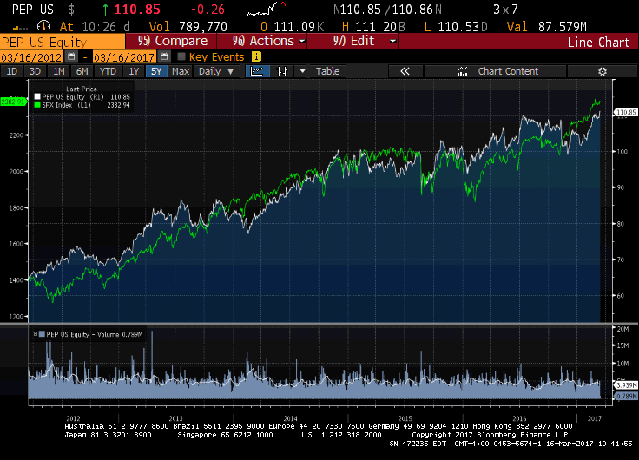

Company Name | PepsiCo, Inc.
Date | 2017-04-26
Fiscal year ends (current period) | 12/31/2017 (Q1 - Ends 3/25/17)
Current Price | $113.36
52 week high (date) | $114.605 (04/18/17)
52 week low (date) | $98.5 (12/01/16)
Market Cap | $161,819.9M
Enterprise Value | $184,643.9M
Total Debt | $50,341.0M
Cash | $15,989.0M
Net Debt/Enterprise Value | 18.60%
Dividend | 2.66%
Shares Outstanding/Float | 1,428.2M/1,423.8M
Current P/E | 23.18x
2019 P/E (EPS) | 18.94x ($5.982) *
2018 P/E (EPS) | 20.04x ($5.554) *
2017 P/E (EPS) | 22.05x ($5.14) *
2016 EPS | $4.85 **
2015 EPS | $4.57 **
2014 EPS | $4.63 **
*Consensus Estimates as of 04/26/2017
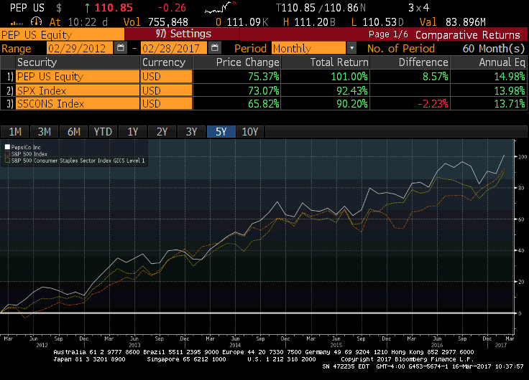
**Comparable Actual from Bloomberg |  | 5-Year Historical Total Return Comparison to Benchmark and Sector

Income Statement
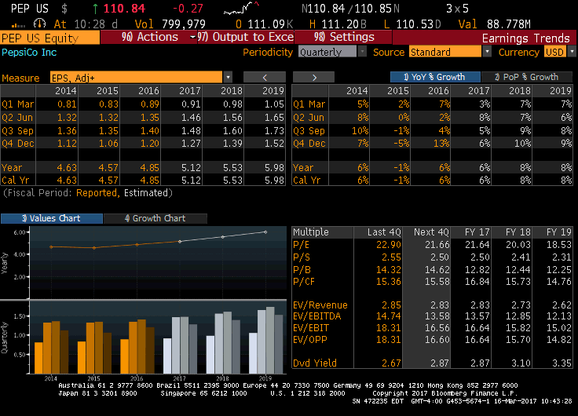
PepsiCo
NYSE: PEP
Income Statement
($ in Millions unless otherwise specified)

 | From 10-Ks |  |  |  |  | Notes
Years Ended | Dec. 29, 2012 | Dec. 28, 2013 | Dec. 27, 2014 | Dec. 26, 2015 | Dec. 31, 2016

Net Revenue | 65,492 | 66,415 | 66,683 | 63,056 | 62,799 | Fiscal 2016 results include an extra week of results. The 53rd reporting week increased 2016 net revenue by $657 million.
Cost of sales | 31,291 | 31,243 | 31,238 | 28,731 | 28,209
Gross Profit | 34,201 | 35,172 | 35,445 | 34,325 | 34,590 | Not reported prior to 2014.
Selling, general and administrative expenses | (24,970) | (25,357) | (25,772) | (24,538) | (24,735)
Venezuela impairment charges | 0 | 0 | 0 | (1,359) | 0 | Deconsolidation of PepsiCo's Venezuela operations due to political instability and inability to access US dollars, effective since Q3 2015.
Amortization of intangible assets | (119) | (110) | (92) | (75) | (70)
Operating Profit | 9,112 | 9,705 | 9,581 | 8,353 | 9,785
Interest expense | (899) | (911) | (909) | (970) | (1,342)
Interest and Other Income | 91 | 97 | 85 | 59 | 110
Income before income taxes | 8,304 | 8,891 | 8,757 | 7,442 | 8,553
Provision for income taxes | (2,090) | (2,104) | (2,199) | (1,941) | (2,174)
Net income (calculated) | 6,214 | 6,787 | 6,558 | 5,501 | 6,379
Net income (reported) | 6,214 | 6,787 | 6,558 | 5,501 | 6,379 | Includes Portion Attributable to Noncontrolling Interest.
Less: Net income attributable to noncontrolling interests | 36 | 47 | 45 | 49 | 50
Net Income Attributable to PepsiCo | 6,178 | 6,740 | 6,513 | 5,452 | 6,329
Amounts are equal? | TRUE | TRUE | TRUE | TRUE | TRUE
Net Income Attributable to PepsiCo per Common Share
Basic | $3.96 | $4.37 | $4.31 | $3.71 | $4.39
Diluted | $3.92 | $4.32 | $4.27 | $3.67 | $4.36
Weighted-average common shares outstanding
Basic | 1,557 | 1,541 | 1,509 | 1,469 | 1,439
Diluted | 1,575 | 1,560 | 1,527 | 1,485 | 1,452
Cash dividends declared per common share | $2.13 | $2.24 | $2.53 | $2.76 | $2.96

Depreciation and amortization (from Statement of Cash Flows) | (2,689) | (2,663) | (2,625) | (2,416) | (2,368)

 |  |  |  |  |  | Note: Q3 and Q4 earnings are always highest and Q1 earnings lowest, mainly due to higher beverage sales during the warmer months, offsetting certain food and dairy sales that are higher in the cooler months.

MC
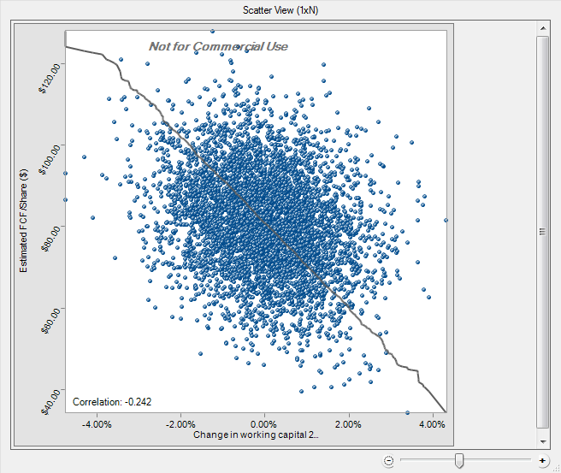
PepsiCo
NYSE: PEP
Probabilistic DCF
($ in Millions unless otherwise specified)

Model Input Parameters |  |  |  |  | Model Discounting Parameters
Assumption Name | Assumed | Average | Std. Dev. |  | Discount rate |  | 10.00%
Revenue growth parameters |  |  |  |  | WACC (Bloomberg) |  | 6.30%
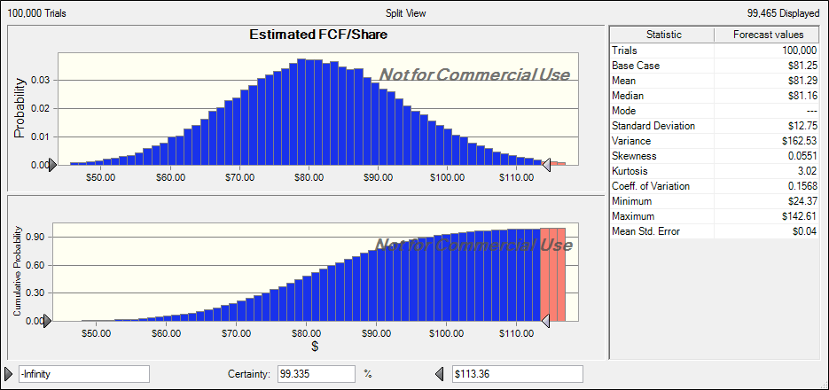
Frito-Lay North America (FLNA) | 3.00% | 3.45% | 1.45% |  | Long-term growth |  | 1.50%
Quaker Foods North America (QFNA) | 1.00% | -0.46% | 1.07%
North America Beverages (NAB) | 1.50% | 2.00% | 1.48% |  | Model Tuning Parameters
Latin America | -5.00% | -9.93% | 9.42% |  |  | Model |  |  |  | Historical
Europe Sub-Saharan Africa (ESSA) | -4.00% | -9.60% | 10.75% |  |  | Min. | Avg. | Max. | Trend | Min. | Avg. | Max. | Trend
Asia, Middle East, and North Africa (AMENA) | 1.00% | -0.48% | 3.29% |  | FROIC | 12.59% | 14.23% | 17.39% |  | 14.33% | 15.58% | 16.79%
Total net sales | N/A | -1.04% | 3.05% |  | PFCFY | 14.12% | 14.31% | 15.25% |  | 10.20% | 11.24% | 11.89%
Operating costs (as % of sales) |  |  |  |  | LTAT | 0.84 | 0.93 | 1.07 |  | 0.74 | 0.78 | 0.85
Cost of sales | 41.15% | 42.50% | 1.03% |  | LTA/IC | 106.36% | 106.36% | 106.36% |  | 107.31% | 108.51% | 109.97%
Selling, general and administrative expenses | 39.39% | 38.65% | 0.53% |  | % DCF in TV | 0.49122546545
Venezuela impairment charges | 0.00% | 0.43% | 0.96% |  |  |  |  |  | Model Relative Valuation Output
Non-operating costs (as% of sales) |  |  |  |  | Model Valuation Output |  |  |  | Estimate Year |  | 2017E | 2018E
Interest expense as % of total debt | 3.19% | 3.19% | 0.27% |  | Estimated FCF/share |  | $81.25 |  | Model EPS output |  | $6.12 | $6.14
Interest and other income as % of sales | 0.14% | 0.14% | 0.03% |  | Current price |  | $113.36 |  | Consensus estimates |  | $5.12 | $5.53
Depreciation and amortization as % of sales | 3.77% | 3.93% | 0.13% |  | Gain/loss |  | -28.33% |  | Implied P/E |  | 13.27x | 13.23x
Income tax expense (as % of EBT) | 2.83% | 2.83% | 0.64% |  |  |  |  |  | Implied P/FCF |  | 12.27x | 12.23x
Cash flow drivers |  |  |  |  |  |  |  |  | Implied EV/EBITDA |  | 10.56x | 10.53x
Change in working capital | 0.00% | 0.56% | 1.19%
Capital expenditures (CAPEX) | 3.77% | 0.50% | 3.96%

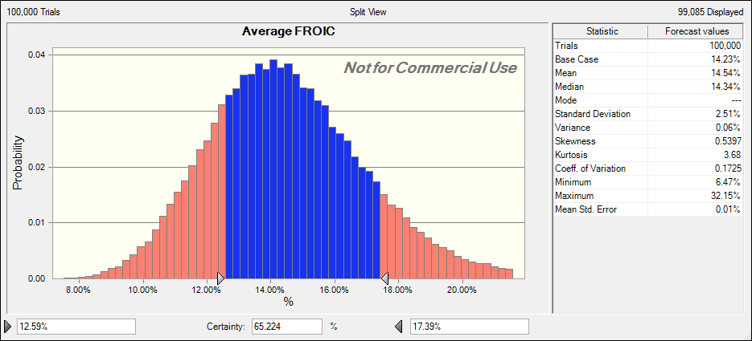
Probabilistic Discounted Cash Flow Model
Period |  | 1 | 2 | 3 | 4 | 5 | 6 | 7 | 8 | 9 | 10
Year | 2016 | 2017E | 2018E | 2019E | 2020E | 2021E | 2022E | 2023E | 2024E | 2025E | 2026E
 |  |  |  |  |  |  |  |  |  |  |  | Std. Dev.
Total net sales | 62,799 | 62,925 | 63,103 | 64,429 | 65,796 | 68,021 | 70,329 | 72,726 | 75,213 | 77,796 | 80,477
% growth (y/y) |  | 0.20% | 0.28% | 2.10% | 2.12% | 3.38% | 3.39% | 3.41% | 3.42% | 3.43% | 3.45% | 3.05%

Revenue segments
Frito-Lay North America (FLNA) | 15,549 | 16,015 | 16,496 | 17,156 | 17,842 | 18,734 | 19,671 | 20,654 | 21,687 | 22,771 | 23,910
% growth (y/y) |  | 3.00% | 3.00% | 4.00% | 4.00% | 5.00% | 5.00% | 5.00% | 5.00% | 5.00% | 5.00% | 1.45%
Margin on total net sales |  | 25.45% | 26.14% | 26.63% | 27.12% | 27.54% | 27.97% | 28.40% | 28.83% | 29.27% | 29.71%
Quaker Foods North America (QFNA) | 2,564 | 2,590 | 2,616 | 2,668 | 2,721 | 2,803 | 2,887 | 2,974 | 3,063 | 3,155 | 3,249
% growth (y/y) |  | 1.00% | 1.00% | 2.00% | 2.00% | 3.00% | 3.00% | 3.00% | 3.00% | 3.00% | 3.00% | 1.07%
Margin on total net sales |  | 4.12% | 4.14% | 4.14% | 4.14% | 4.12% | 4.10% | 4.09% | 4.07% | 4.06% | 4.04%
North America Beverages (NAB) | 21,312 | 21,632 | 21,956 | 22,505 | 23,068 | 23,875 | 24,711 | 25,576 | 26,471 | 27,397 | 28,356
% growth (y/y) |  | 1.50% | 1.50% | 2.50% | 2.50% | 3.50% | 3.50% | 3.50% | 3.50% | 3.50% | 3.50% | 1.48%
Margin on total net sales |  | 34.38% | 34.79% | 34.93% | 35.06% | 35.10% | 35.14% | 35.17% | 35.19% | 35.22% | 35.23%
Latin America | 6,820 | 6,479 | 6,155 | 6,155 | 6,155 | 6,278 | 6,404 | 6,532 | 6,662 | 6,796 | 6,932
% growth (y/y) |  | -5.00% | -5.00% | 0.00% | 0.00% | 2.00% | 2.00% | 2.00% | 2.00% | 2.00% | 2.00% | 3.29%
Margin on total net sales |  | 10.30% | 9.75% | 9.55% | 9.35% | 9.23% | 9.11% | 8.98% | 8.86% | 8.74% | 8.61%
Europe Sub-Saharan Africa (ESSA) | 10,216 | 9,807 | 9,415 | 9,415 | 9,415 | 9,603 | 9,795 | 9,991 | 10,191 | 10,395 | 10,603
% growth (y/y) |  | -4.00% | -4.00% | 0.00% | 0.00% | 2.00% | 2.00% | 2.00% | 2.00% | 2.00% | 2.00% | 0.53%
Margin on total net sales |  | 15.59% | 14.92% | 14.61% | 14.31% | 14.12% | 13.93% | 13.74% | 13.55% | 13.36% | 13.18%
Asia, Middle East, and North Africa (AMENA) | 6,338 | 6,401 | 6,465 | 6,530 | 6,595 | 6,727 | 6,862 | 6,999 | 7,139 | 7,282 | 7,427
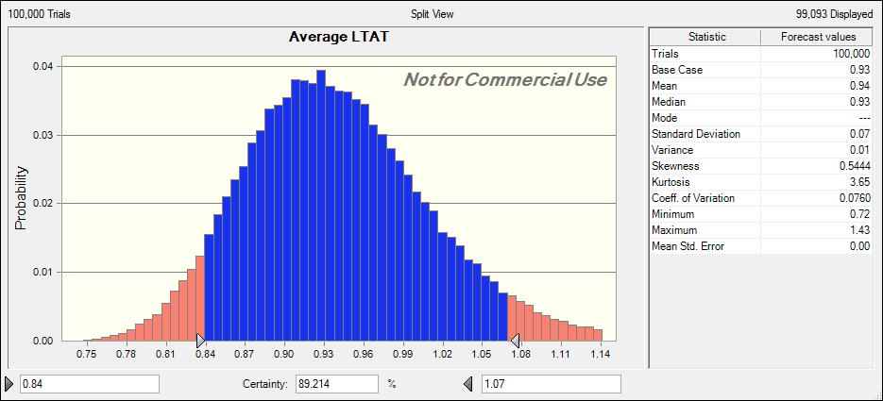
% growth (y/y) |  | 1.00% | 1.00% | 1.00% | 1.00% | 2.00% | 2.00% | 2.00% | 2.00% | 2.00% | 2.00% | 9.42%
Margin on total net sales |  | 10.17% | 10.25% | 10.14% | 10.02% | 9.89% | 9.76% | 9.62% | 9.49% | 9.36% | 9.23%

Operating costs (as % of sales)
Cost of sales |  | 25,893 | 25,966 | 26,512 | 27,074 | 27,990 | 28,940 | 29,926 | 30,949 | 32,012 | 33,115
% margin on revenue |  | 41.15% | 41.15% | 41.15% | 41.15% | 41.15% | 41.15% | 41.15% | 41.15% | 41.15% | 41.15% | 1.03%
Selling, general and administrative expenses |  | 24,784 | 24,855 | 25,377 | 25,916 | 26,792 | 27,701 | 28,645 | 29,625 | 30,642 | 31,698
% margin on revenue |  | 39.39% | 39.39% | 39.39% | 39.39% | 39.39% | 39.39% | 39.39% | 39.39% | 39.39% | 39.39% | 0.53%
Venezuela impairment charges |  | - | - | - | - | - | - | - | - | - | -
% margin on revenue |  | 0.00% | 0.00% | 0.00% | 0.00% | 0.00% | 0.00% | 0.00% | 0.00% | 0.00% | 0.00% | 0.96%

EBITDA |  | 12,247 | 12,282 | 12,540 | 12,806 | 13,239 | 13,689 | 14,155 | 14,639 | 15,142 | 15,664
% margin on revenue |  | 19.46% | 19.46% | 19.46% | 19.46% | 19.46% | 19.46% | 19.46% | 19.46% | 19.46% | 19.46%

Non-operating costs (as% of sales)
Interest expense |  | 643 | 643 | 643 | 643 | 643 | 643 | 643 | 643 | 643 | -
% margin on total debt | 3.19% | 3.19% | 3.19% | 3.19% | 3.19% | 3.19% | 3.19% | 3.19% | 3.19% | 3.19% | 0.00% | 0.27%
Total debt | 20,170 | 20,170 | 20,170 | 20,170 | 20,170 | 20,170 | 20,170 | 20,170 | 20,170 | 20,170
Interest and other income |  | 86 | 86 | 88 | 90 | 93 | 96 | 99 | 102 | 106 | -
% margin on revenue |  | 0.14% | 0.14% | 0.14% | 0.14% | 0.14% | 0.14% | 0.14% | 0.14% | 0.14% | 0.00% | 0.03%
Depreciation and amortization |  | 2,373 | 2,379 | 2,429 | 2,481 | 2,565 | 2,652 | 2,742 | 2,836 | 2,933 | 3,035
% margin on revenue |  | 3.77% | 3.77% | 3.77% | 3.77% | 3.77% | 3.77% | 3.77% | 3.77% | 3.77% | 3.77% | 0.13%
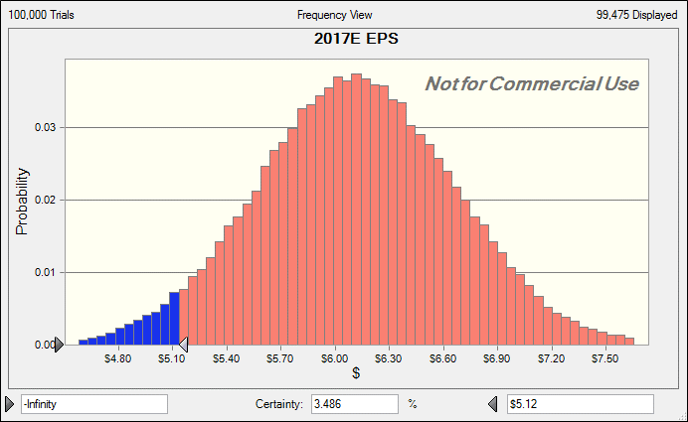
Earnings before tax (EBT) |  | 9,146 | 9,174 | 9,380 | 9,593 | 9,939 | 10,298 | 10,671 | 11,058 | 11,460 | 12,629
% margin on revenue |  | 14.54% | 14.54% | 14.56% | 14.58% | 14.61% | 14.64% | 14.67% | 14.70% | 14.73% | 15.69%
Income tax expense |  | 259 | 260 | 265 | 271 | 281 | 291 | 302 | 313 | 324 | 357
% margin on revenue |  | 2.83% | 2.83% | 2.83% | 2.83% | 2.83% | 2.83% | 2.83% | 2.83% | 2.83% | 2.83% | 0.64%

NOPAIT |  | 11,260 | 11,294 | 11,544 | 11,802 | 12,223 | 12,659 | 13,111 | 13,581 | 14,069 | 15,307
% margin on revenue |  | 17.89% | 17.90% | 17.92% | 17.94% | 17.97% | 18.00% | 18.03% | 18.06% | 18.08% | 19.02%

Cash flow drivers
Change in working capital |  | - | - | - | - | - | - | - | - | - | -
% margin on revenue |  | 0.00% | 0.00% | 0.00% | 0.00% | 0.00% | 0.00% | 0.00% | 0.00% | 0.00% | 0.00% | 1.19%
Capital expenditures (CAPEX) |  | 2,372.73 | 2,379.47 | 2,429.46 | 2,481.02 | 2,564.90 | 2,651.95 | 2,742.31 | 2,836.11 | 2,933.49 | 3,034.60
% margin on revenue |  | 3.77% | 3.77% | 3.77% | 3.77% | 3.77% | 3.77% | 3.77% | 3.77% | 3.77% | 3.77% | 3.96%

Free cash flow (FCF) |  | 8,887 | 8,914 | 9,115 | 9,321 | 9,658 | 10,007 | 10,369 | 10,745 | 11,135 | 12,272
Discounted cash flow (DCF) |  | 8,079 | 7,367 | 6,848 | 6,367 | 5,997 | 5,649 | 5,321 | 5,013 | 4,722 | 53,453

Model Valuation of Company
Sum of DCF | 108,816
+ Cash and cash equivalents | 9,158
= Equity value | 117,974
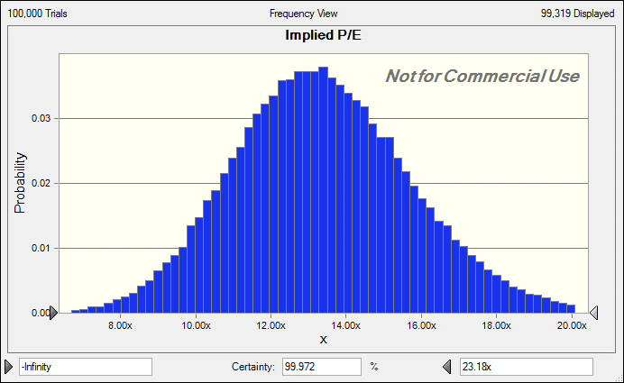
/ Diluted shares outstanding (DSO) | 1,452
Estimated FCF/share | 81.25

Model Tunining Parameter Output
Long-term assets | 75,067 | 75,067 | 75,067 | 75,067 | 75,067 | 75,067 | 75,067 | 75,067 | 75,067 | 75,067 | 75,067
Working capital | (4,486) | (4,486) | (4,486) | (4,486) | (4,486) | (4,486) | (4,486) | (4,486) | (4,486) | (4,486) | (4,486)
Invested capital | 70,581 | 70,581 | 70,581 | 70,581 | 70,581 | 70,581 | 70,581 | 70,581 | 70,581 | 70,581 | 70,581
FROIC |  | 12.59% | 12.63% | 12.91% | 13.21% | 13.68% | 14.18% | 14.69% | 15.22% | 15.78% | 17.39%
PFCFY |  | 14.12% | 14.13% | 14.15% | 14.17% | 14.20% | 14.23% | 14.26% | 14.29% | 14.31% | 15.25%
LTAT |  | 0.84 | 0.84 | 0.86 | 0.88 | 0.91 | 0.94 | 0.97 | 1.00 | 1.04 | 1.07
LTA/IC |  | 106.36% | 106.36% | 106.36% | 106.36% | 106.36% | 106.36% | 106.36% | 106.36% | 106.36% | 106.36%

Implied Enterprise Value Calculation
Calculated market cap | 117,974
+ Preferred equity | 41
+ Market value of total debt | 20,490
+ Minority interest | 0
- Cash and cash equivalents | 9,158
= Implied enterprise value | 129,347

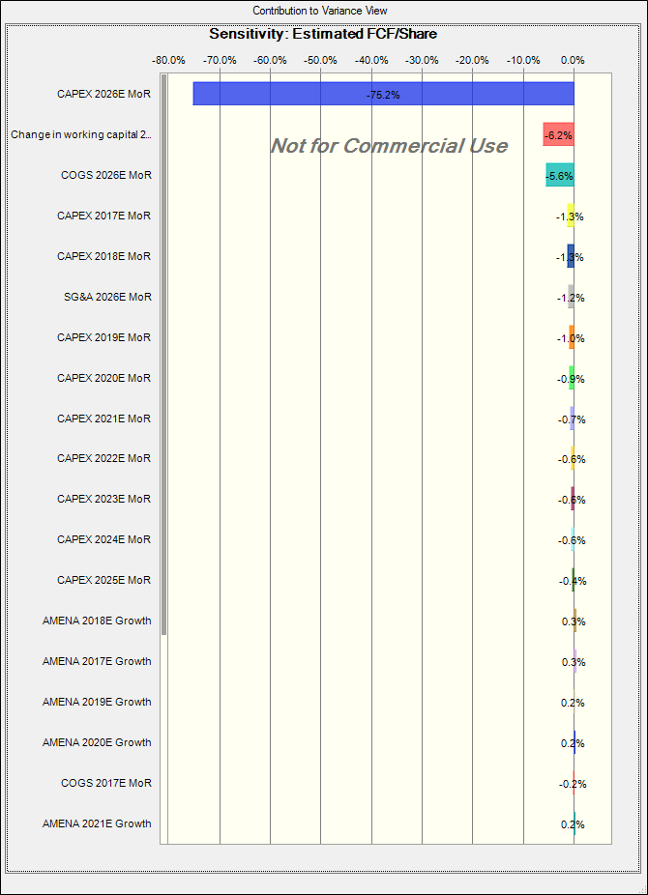
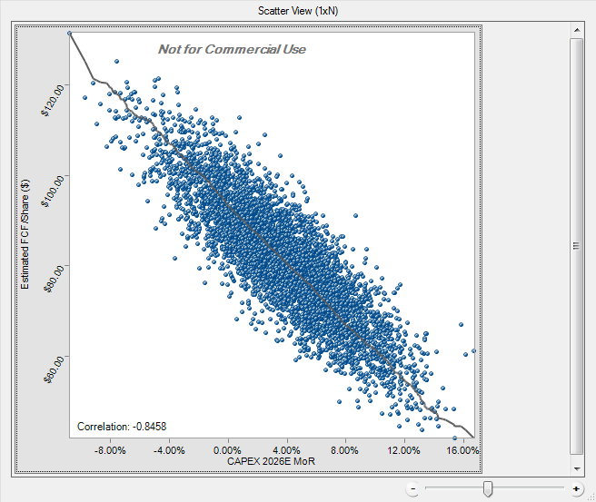
Multiples Analysis Output
Year |  | 2017E | 2018E | 2019E | 2020E | 2021E | 2022E | 2023E | 2024E | 2025E | 2026E
Operating income |  | 8,887 | 8,914 | 9,115 | 9,321 | 9,658 | 10,007 | 10,369 | 10,745 | 11,135 | 12,272
EPS |  | $6.12 | $6.14 | $6.28 | $6.42 | $6.65 | $6.89 | $7.14 | $7.40 | $7.67 | $8.45
Implied P/E |  | 13.27 | 13.23 | 12.94 | 12.66 | 12.22 | 11.79 | 11.38 | 10.98 | 10.59 | 9.61
Unlevered FCF |  | 9,616 | 9,643 | 9,845 | 10,054 | 10,393 | 10,745 | 11,111 | 11,490 | 11,884 | 12,272
FCF/share |  | $6.62 | $6.64 | $6.78 | $6.92 | $7.16 | $7.40 | $7.65 | $7.91 | $8.18 | $8.45
Implied P/FCF |  | 12.27 | 12.23 | 11.98 | 11.73 | 11.35 | 10.98 | 10.62 | 10.27 | 9.93 | 9.61
EBITDA |  | 12,247 | 12,282 | 12,540 | 12,806 | 13,239 | 13,689 | 14,155 | 14,639 | 15,142 | 15,664
Implied EV/EBITDA |  | 10.56 | 10.53 | 10.31 | 10.10 | 9.77 | 9.45 | 9.14 | 8.84 | 8.54 | 8.26

Sheet 1
Frito-Lay North America (FLNA) | 14,502 | 14,782 | 15,549
Quaker Foods North America (QFNA) | 2,568 | 2,543 | 2,564
North America Beverages (NAB)* | 20,171 | 20,618 | 21,312
North America (US and Canada) | 37,241 | 37,943 | 39,425
Europe Sub-Saharan Africa (ESSA) | 13,399 | 10,510 | 10,216
Latin America | 9,425 | 8,228 | 6,820
Asia, Middle East, and North Africa (AMENA) | 6,618 | 6,375 | 6,338

PepsiCo Revenue Breakdown by Geography

