Cover Page
Intel Corporation
NASDAQ: INTC
Cover Page
(In millions, except per share data)
Original by James Shin, adapted and updated by Vini Kumar

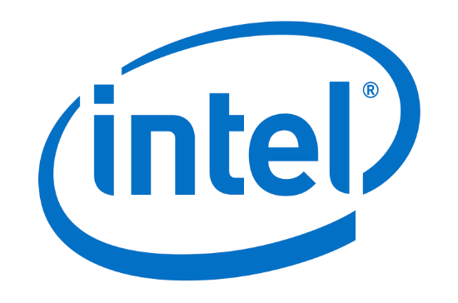
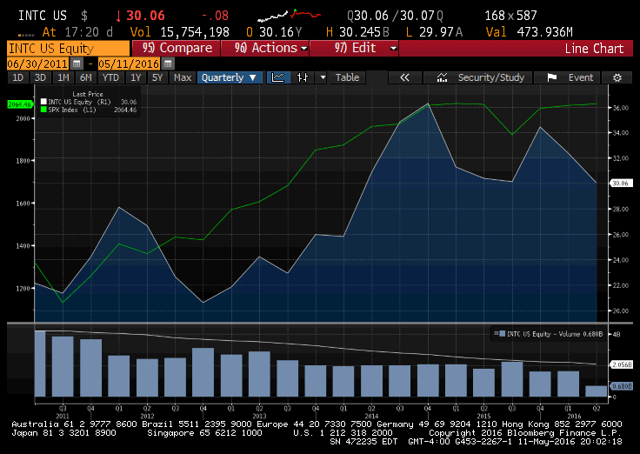

Date: | 2016-05-11
Current Price: | $30.06
Fiscal Year End: | Dec. 26
Diluted shares outstanding: | 4.875B
Market Cap: | 143.56B
Dividend Yield: | 4.15%
Enterprise Value | 145,844.3M
Beta: | 0.96
52-week range: | 24.87-35.59
2012 EPS | 2.13
2013 EPS | 1.89
2014 EPS | 2.31
2015 EPS (ttm): | 2.33
2015 P/E (ttm): | 12.79
2016 EPS (P/E) | 2.4 (12.53)
2017 EPS (P/E) | 2.58 (11.66)
2018 EPS (P/E) | 2.68 (11.23)
Price to Book | 2.28
Price to Sales | 2.50

Sources: | 1. SEC Filings
 | 2. Google Finance
 | 3. Bloomberg

Balance Sheet
Intel Corporation
NASDAQ: INTC
Balance Sheet
(In millions, except per share data)

INTC's Goodwill
Current Assets | 2011 | 2012 | 2013 | 2014 | 2015 | 2016 Q1
Cash and cash equivalents | 5,065 | 8,478 | 5,674 | 2,561 | 15,308 | 3,061
Short-term investments | 5,181 | 3,999 | 5,972 | 2,430 | 2,682 | 2,927
Trading assets | 4,591 | 5,685 | 8,441 | 9,063 | 7,323 | 9,103
Accounts receivable | 3,650 | 3,833 | 3,582 | 4,427 | 4,787 | 4,216
Inventories | 4,096 | 4,734 | 4,172 | 4,273 | 5,167 | 5,751
Deferred tax assets | 1,700 | 2,117 | 2,594 | 1,958 | 2,036
Other current assets | 1,589 | 2,512 | 1,649 | 3,018 | 3,053 | 2,339
Total current assets | 25,872 | 31,358 | 32,084 | 27,730 | 40,356 | 27,397

Non-current assets | 2011 | 2012 | 2013 | 2014 | 2015 | 2016Q1
Property, plant and equipment, net | 23,627 | 27,983 | 31,428 | 33,238 | 31,858 | 32,644
Marketable equity securities | 562 | 4,424 | 6,221 | 7,097 | 5,960 | 6,377
Other long-term investments | 889 | 493 | 1,473 | 2,023 | 1,891 | 3,097
Goodwill | 9,254 | 9,710 | 10,513 | 10,861 | 11,332 | 16,942
Identified intangible assets, net | 6,267 | 6,235 | 5,150 | 4,446 | 3,933 | 11,140
Other long-term assets | 4,648 | 4,148 | 5,489 | 6,505 | 7,735 | 7,870
Total non-current assets | 45,247 | 52,993 | 60,274 | 64,170 | 62,709 | 78,070

Total assets | 71,119 | 84,351 | 92,358 | 91,900 | 103,065 | 105,467

Current Liabilities | 2011 | 2012 | 2013 | 2014 | 2015 | 2016 Q1
Short-term debt | 247 | 312 | 281 | 1,596 | 2,634 | 3,594
Accounts payable | 2,956 | 3,023 | 2,969 | 2,748 | 2,063 | 3,163
Accruied compensation and benefits | 2,948 | 2,972 | 3,123 | 3,475 | 3,138 | 1,834
Accrued advertising | 1,134 | 1,015 | 1,021 | 1,092 | 960 | 820
Deferred income | 1,929 | 1,932 | 2,096 | 2,205 | 2,188 | 2,632
Other accrued liabilities | 2,814 | 3,644 | 4,078 | 4,895 | 4,684 | 5,483
Total current liabilities | 12,028 | 12,898 | 13,568 | 16,011 | 15,667 | 17,526

Non-current liabilities | 2011 | 2012 | 2013 | 2014 | 2015 | 2016 Q1
Long-term debt | 7,084 | 13,136 | 13,165 | 12,059 | 20,036 | 21,775
Long-term deferred tax liabilities | 2,617 | 3,412 | 4,397 | 3,775 | 2,539 | 1,247
Other long-term liabilities | 3,479 | 3,702 | 2,972 | 3,278 | 2,841 | 2,851
Commitments and contingencies | 0 | 0 | 0 | 0 | 0 | 0
Temporary equity | 0 | 0 | 0 | 912 | 897 | 894

Stockholders' equity | 2011 | 2012 | 2013 | 2014 | 2015 | 2016 Q1
Preferred stock; none issued | 0 | 0 | 0 | 0 | 0 | 0
Common stock | 17,036 | 19,464 | 21,536 | 21,781 | 23,411 | 24,088
Accumulated other comprehensive income (loss) | (781) | (399) | 1,243 | 666 | 60 | 560
Retained earnings | 29,656 | 32,138 | 35,477 | 33,418 | 37,614 | 36,526
Total stockholders' equity | 45,911 | 51,203 | 58,256 | 55,865 | 61,085 | 61,174
Total liabilities, temporary equity and stockholders' equity | 71,119 | 84,351 | 92,358 | 91,900 | 103,065 | 105,467

CHECK | TRUE | TRUE | TRUE | TRUE | TRUE | TRUE

 | 2011 | 2012 | 2013 | 2014 | 2015 | 2016Q1
Effective cash | 14,837 | 18,162 | 20,087 | 14,054 | 25,313 | 15,091
Long-term debt | 7,084 | 13,136 | 13,165 | 12,059 | 20,036 | 21,775

Income Statement
Intel Corporation
NASDAQ: INTC
Income statement
(In millions, except per share data)

Year | 2011 | 2012 | 2013 | 2014 | 2015 | 2016 Q1A
Net revenue | 53,999 | 53,341 | 52,708 | 55,870 | 55,355 | 54,808
Cost of sales | 20,242 | 20,190 | 21,187 | 20,261 | 20,676 | 22,288
Cash Dividends per Share
Gross margin | 33,757 | 33,151 | 31,521 | 35,609 | 34,679 | 32,520
R&D | 8,350 | 10,148 | 10,611 | 11,537 | 12,128 | 12,984
Marketing, general and administrative | 7,670 | 8,057 | 8,088 | 8,136 | 7,930 | 8,904
Restructuring and asset impairment charges | - | - | 240 | 295 | 354 | -
Amortization of acquisition- related intangibles | - | 1,165 | 1,242 | 1,169 | 265 | 360
Operating expenses | 16,280 | 18,513 | 19,230 | 20,262 | 20,677 | 22,248
Operating income | 17,477 | 14,638 | 12,291 | 15,347 | 14,002 | 10,272
Gains (losses) on equity investments, net | 112 | 141 | 471 | 411 | 315 | 88
Interest and other, net | 192 | 94 | (151) | 43 | (105) | (328)
Income before taxes | 17,781 | 14,873 | 12,611 | 15,801 | 14,212 | 10,032
Provision for taxes | 4,839 | 3,868 | 2,991 | 4,097 | 2,792 | 1,848
Net income | 12,942 | 11,005 | 9,620 | 11,704 | 11,420 | 8,184

Basic
Earnings per share of common stock | 2.46 | 2.20 | 1.94 | 2.39 | 2.41 | 1.72
Average shares of common stock outstanding | 5,256 | 4,996 | 4,742 | 4,901 | 4,970 | 4,722

Diluted
Earnings per share of common stock | 2.39 | 2.13 | 1.89 | 2.31 | 2.33 | 1.68
Average shares of common stock outstanding | 5,411 | 5,160 | 5,097 | 5,056 | 4,894 | 4,875

 | 2011 | 2012 | 2013 | 2014 | 2015 | 2016 Q1A
Depreciation | 5,141 | 6,357 | 6,790 | 7,380 | 7,821 | 6,476
Amortization | 923 | 1,165 | 1,242 | 1,169 | 890 | 1,584
Cost of sales, net D&A | 14,178 | 12,668 | 13,155 | 11,712 | 11,965 | 14,228

Cash dividends paid per share | 0.78 | 0.87 | 0.90 | 0.90 | 0.96 | 1.04

Graph for LTAT
Year | 2011 | 2012 | 2013 | 2014 | 2015 | 2016 | 2017 | 2018 | 2019 | 2020 | 2021 | 2022 | 2023 | 2024 | 2025 | 2026
LAT | 1.19 | 1.01 | 0.87 | 0.87 | 0.88 | 0.70 | 0.74 | 0.77 | 0.81 | 0.85 | 0.89 | 0.94 | 0.98 | 1.03 | 1.08 | 1.13
Useful Life | 7.46 | 7.05 | 7.50 | 7.51 | 7.20 | 9.69 | 9.44 | 8.99 | 8.57 | 8.17 | 7.79 | 7.42 | 7.07 | 6.74 | 6.43 | 6.12

INTC LTAT and Useful Life

MC Results
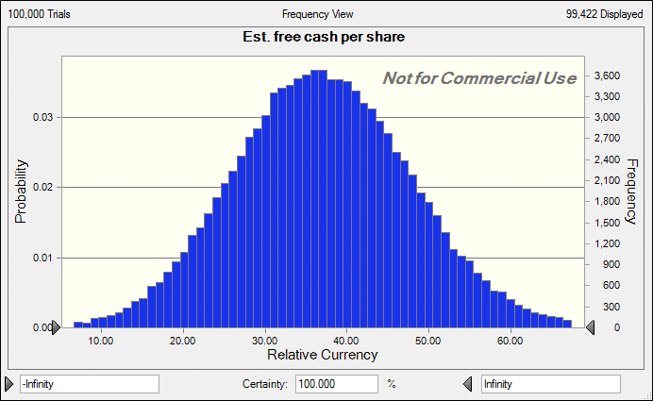
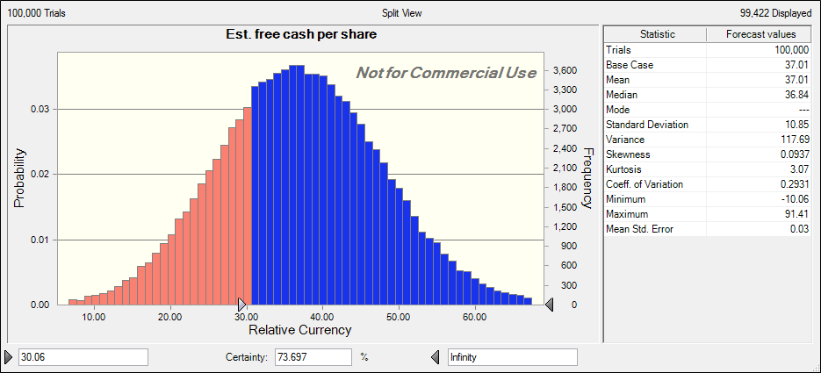
Forecast: Est. free cash per share |  | Forecast: Est. free cash per share
Statistic | Forecast values | Percentile | Forecast values
Trials | 100,000 | 0% | -10.06
Base Case | 37.01 | 10% | 23.23
Mean | 37.01 | 20% | 27.88
Median | 36.84 | 30% | 31.22
Mode | '--- | 40% | 34.1
Standard Deviation | 10.85 | 50% | 36.84
Variance | 117.69 | 60% | 39.63
Skewness | 0.0937 | 70% | 42.6
Kurtosis | 3.07 | 80% | 46.07
Coeff. of Variation | 0.2931 | 90% | 50.87
Minimum | -10.06 | 100% | 91.41
Maximum | 91.41
Mean Std. Error | 0.03

